ModuleMassMaths
Module Mass vs Area (Yuan)
 | Module weight [kg]
1.63152 | 18.4
1.944264 | 23.5
1.6368 | 18.2
1.6368 | 19.3
1.6368 | 18.2
1.608516 | 18.5
1.6864 | 19.2
1.6616 | 18.5
1.94432 | 22.4
1.608516
1.277595 | 15.8
1.918828 | 23
1.608516
1.918828 | 22
1.94432 | 22.4
2.210232 | 24.9
1.84972 | 21.1
3.106352 | 34.4
2.061376 | 23.4
1.940352 | 22.2
1.6335 | 19.5
1.96606 | 22.2
1.984 | 22.6
1.63672 | 18.7
1.95608 | 22.9
1.6616 | 18.5
1.617035 | 19
1.63515 | 18.7
1.67479 | 22.5
1.63515 | 18.2
1.682244 | 18.7
2.00694 | 20.7
1.94236 | 22
1.6368 | 19
1.6368 | 19
1.6368 | 19
1.6368 | 19
1.6368 | 19
1.6368 | 19
1.940352 | 26.5
1.6368 | 19
1.940352 | 22.5
2.013018 | 22.5
1.687368 | 19
1.982958 | 22.5
1.609152 | 18.4
1.712976 | 18
1.64 | 17
1.712976 | 18
1.7272 | 18.5
...
Manufacturer | Module weight [kg] | Conformation (g-g, g-b) | Year | Manufacturer | (All) |  |  |  |  |  |  |  |  |  |  |  |  |  | Module area [m^2] | Module weight [kg]
Astronergy | 18.4 | g-b | 2015 | Conformation (g-g, g-b) | g-b |  |  |  |  |  |  |  |  |  |  |  |  |  | 1.63152 | 18.4
Astronergy | 23.5 | g-b | 2015 |  |  |  |  |  |  |  |  |  |  |  |  |  |  |  | 1.944264 | 23.5
Canadian Solar | 18.2 | g-b | 2015 | Row Labels | Average of Module weight [kg] | Min of Module weight [kg] | Max of Module weight [kg] |  |  |  |  |  |  |  |  |  |  |  | 1.6368 | 18.2
Canadian Solar | 19.3 | g-b | 2016 | 2011 | 19.4 | 15.8 | 22 |  |  |  |  |  |  |  |  |  |  |  | 1.6368 | 19.3
Canadian Solar | 18.2 | g-b | 2017 | 2012 | 18.85 | 16.8 | 21.2 |  |  |  |  |  |  |  |  |  |  |  | 1.6368 | 18.2
Canadian Solar | 18.5 | g-b | 2014 | 2013 | 18.8375 | 16.8 | 23 |  |  |  |  |  |  |  |  |  |  |  | 1.608516 | 18.5
Canadian Solar | 19.2 | g-b | 2020 | 2014 | 17.65 | 16.8 | 18.5 |  |  |  |  |  |  |  |  |  |  |  | 1.6864 | 19.2
Canadian Solar | 18.5 | g-b | 2018 | 2015 | 19.0375 | 17 | 23.5 |  |  |  |  |  |  |  |  |  |  |  | 1.6616 | 18.5
Canadian Solar | 22.4 | g-b | 2018 | 2016 | 20.636363636 | 17 | 26.5 |  |  |  |  |  |  |  |  |  |  |  | 1.94432 | 22.4
Canadian Solar |  |  | 2011 | 2017 | 19.291666667 | 18 | 22.5 |  |  |  |  |  |  |  |  |  |  |  | 1.608516
Canadian Solar | 15.8 | g-b | 2011 | 2018 | 21.025 | 18.2 | 23 |  |  |  |  |  |  |  |  |  |  |  | 1.277595 | 15.8
Canadian Solar | 23 | g-b | 2013 | 2019 | 21.333333333 | 16.8 | 29 |  |  |  |  |  |  |  |  |  |  |  | 1.918828 | 23
Canadian Solar |  | g-b | 2011 | 2020 | 20.133333333 | 18 | 24.9 |  |  |  |  |  |  |  |  |  |  |  | 1.608516
Canadian Solar | 22 | g-b | 2013 | 2021 | 19.733333333 | 18.5 | 21.7 |  |  |  |  |  |  |  |  |  |  |  | 1.918828 | 22
Canadian Solar | 22.4 | g-b | 2016 | Grand Total | 19.92967033 | 15.8 | 29 |  |  |  |  |  |  |  |  |  |  |  | 1.94432 | 22.4
Canadian Solar | 24.9 | g-b | 2020 |  |  |  |  |  |  |  |  |  |  |  |  |  |  |  | 2.210232 | 24.9
Canadian Solar | 21.1 | g-b | 2020 |  |  |  |  |  |  |  |  |  |  |  |  |  |  |  | 1.84972 | 21.1
Canadian Solar | 34.4 | g-g? | 2021 |  |  |  |  |  |  |  |  |  |  |  |  |  |  |  | 3.106352 | 34.4
Canadian Solar | 23.4 | g-b | 2019 |  |  |  |  |  |  |  |  |  |  |  |  |  |  |  | 2.061376 | 23.4
GCL | 22.2 | g-b | 2017 | Conformation (g-g, g-b) | g-b |  |  |  |  |  |  |  |  |  |  |  |  |  | 1.940352 | 22.2
GCL | 19.5 | g-b | 2013 |  |  |  |  |  |  |  |  |  |  |  |  |  |  |  | 1.6335 | 19.5
GCL | 22.2 | g-b | 2018 | Average of Module weight [kg] | Column Labels |  |  |  |  |  |  |  |  |  |  |  |  |  | 1.96606 | 22.2
Hyundai | 22.6 | g-b | 2019 | Row Labels | Astronergy | Canadian Solar | GCL | Hyundai | JA Solar | Jinko | LG | Longi Solar | Phono Solar | Seraphim | Silfab | Solaria | SolarWorld | Grand Total | 1.984 | 22.6
Hyundai | 18.7 | g-b | 2016 | 2011 |  | 15.8 |  |  |  |  | 19 |  |  |  |  |  | 21.6 | 19.4 | 1.63672 | 18.7
Hyundai | 22.9 | g-b | 2016 | 2012 |  |  |  |  |  | 19 | 17.6 |  |  |  |  |  | 21.2 | 18.85 | 1.95608 | 22.9
Hyundai | 18.5 | g-b | 2020 | 2013 |  | 22.5 | 19.5 | 19 |  |  | 16.8 |  |  |  |  |  |  | 18.8375 | 1.6616 | 18.5
Hyundai | 19 | g-b | 2013 | 2014 |  | 18.5 |  |  |  |  | 17.05 |  |  |  |  |  | 18 | 17.65 | 1.617035 | 19
JA Solar | 18.7 | g-b | 2016 | 2015 | 20.95 | 18.2 |  |  | 18.2 | 19 | 17 |  |  |  |  |  |  | 19.0375 | 1.63515 | 18.7
JA Solar | 22.5 | g-b | 2017 | 2016 |  | 20.85 |  | 20.8 | 18.7 | 22.666666667 | 17 |  |  |  | 19 | 21 |  | 20.636363636 | 1.67479 | 22.5
JA Solar | 18.2 | g-b | 2015 | 2017 |  | 18.2 | 22.2 |  | 22.5 | 19 | 18.84 | 18.2 |  |  | 19 |  |  | 19.291666667 | 1.63515 | 18.2
JA Solar | 18.7 | g-b | 2019 | 2018 |  | 20.45 | 22.2 |  | 22 | 19 |  | 19.9 | 22.5 |  | 23 | 21.5 |  | 21.025 | 1.682244 | 18.7
JA Solar | 20.7 | g-b | 2020 | 2019 |  | 23.4 |  | 22.6 | 18.7 | 21.333333333 |  | 16.8 |  | 19.75 | 21 | 29 |  | 21.333333333 | 2.00694 | 20.7
JA Solar | 22 | g-b | 2018 | 2020 |  | 21.733333333 |  | 18.5 | 20.7 |  | 18 | 19.5 | 20.166666667 |  | 18.2 | 21 |  | 20.133333333 | 1.94236 | 22
Jinko | 19 | g-b | 2015 | 2021 |  |  |  |  |  |  |  |  | 18.75 |  |  | 21.7 |  | 19.733333333 | 1.6368 | 19
Jinko | 19 | g-b | 2017 | Grand Total | 20.95 | 20.492857143 | 21.3 | 20.34 | 20.133333333 | 20.5 | 17.816666667 | 18.914285714 | 20.083333333 | 19.75 | 20.2 | 22.616666667 | 20.6 | 19.92967033 | 1.6368 | 19
 | Astronergy | Canadian Solar | GCL | Hyundai | JA Solar | Jinko | LG | Longi Solar | Phono Solar | Seraphim | Silfab | Solaria
2011 |  | 15.8 |  |  |  |  | 19
2012 |  |  |  |  |  | 19 | 17.6
2013 |  | 22.5 | 19.5 | 19 |  |  | 16.8
2014 |  | 18.5 |  |  |  |  | 17.05
2015 | 20.95 | 18.2 |  |  | 18.2 | 19 | 17
2016 |  | 20.85 |  | 20.8 | 18.7 | 22.666666667 | 17 |  |  |  | 19 | 21
2017 |  | 18.2 | 22.2 |  | 22.5 | 19 | 18.84 | 18.2 |  |  | 19
2018 |  | 20.45 | 22.2 |  | 22 | 19 |  | 19.9 | 22.5 |  | 23 | 21.5
2019 |  | 23.4 |  | 22.6 | 18.7 | 21.333333333 |  | 16.8 |  | 19.75 | 21 | 29
2020 |  | 21.733333333 |  | 18.5 | 20.7 |  | 18 | 19.5 | 20.166666667 |  | 18.2 | 21
2021 |  |  |  |  |  |  |  |  | 18.75 |  |  | 21.7
Jinko | 19 | g-b | 2018 |  |  |  |  |  |  |  |  |  |  |  |  |  |  |  | 1.6368 | 19
Jinko | 19 | g-b | 2015 |  |  |  |  |  |  |  |  |  |  |  |  |  |  |  | 1.6368 | 19
Jinko | 19 | g-b | 2015 |  |  |  |  |  |  |  |  |  |  |  |  |  |  |  | 1.6368 | 19
Jinko | 19 | g-b | 2012 |  |  |  |  |  |  |  |  |  |  |  |  |  |  |  | 1.6368 | 19
Jinko | 26.5 | g-b | 2016 |  |  |  |  |  |  |  |  |  |  |  |  |  |  |  | 1.940352 | 26.5
Jinko | 19 | g-b | 2016 |  |  |  |  |  |  |  |  |  |  |  |  |  |  |  | 1.6368 | 19
Jinko | 22.5 | g-b | 2016 |  |  |  |  |  |  |  |  |  |  |  |  |  |  |  | 1.940352 | 22.5
Jinko | 22.5 | g-b | 2019 |  |  |  |  |  |  |  |  |  |  |  |  |  |  |  | 2.013018 | 22.5
Jinko | 19 | g-b | 2019 |  |  |  |  |  |  |  |  |  |  |  |  |  |  |  | 1.687368 | 19
Jinko | 22.5 | g-b | 2019 |  |  |  |  |  |  |  |  |  |  |  |  |  |  |  | 1.982958 | 22.5
LG | 18.4 | g-b | 2012 |  |  |  |  |  |  |  |  |  |  |  |  |  |  |  | 1.609152 | 18.4
LG | 18 | g-b | 2017 |  |  |  |  |  |  |  |  |  |  |  |  |  |  |  | 1.712976 | 18
LG | 17 | g-b | 2015 |  |  |  |  |  |  |  |  |  |  |  |  |  |  |  | 1.64 | 17
LG | 18 | g-b | 2017 |  |  |  |  |  |  |  |  |  |  |  |  |  |  |  | 1.712976 | 18
LG | 18.5 | g-b | 2017 |  |  |  |  |  |  |  |  |  |  |  |  |  |  |  | 1.7272 | 18.5
LG | 19 | g-b | 2011 |  |  |  |  |  |  |  |  |  |  |  |  |  |  |  | 1.609152 | 19
LG | 19 | g-b | 2011 |  |  |  |  |  |  |  |  |  |  |  |  |  |  |  | 1.609152 | 19
LG | 16.8 | g-b | 2013 |  |  |  |  |  |  |  |  |  |  |  |  |  |  |  | 1.64 | 16.8
LG | 16.8 | g-b | 2014 |  |  |  |  |  |  |  |  |  |  |  |  |  |  |  | 1.64 | 16.8
LG | 17.3 | g-b | 2014 |  |  |  |  |  |  |  |  |  |  |  |  |  |  |  | 1.64 | 17.3
LG | 16.8 | g-b | 2013 |  |  |  |  |  |  |  |  |  |  |  |  |  |  |  | 1.64 | 16.8
LG | 18 | g-b | 2020 |  |  |  |  |  |  |  |  |  |  |  |  |  |  |  | 1.7272 | 18
LG | 18 | g-b | 2017 |  |  |  |  |  |  |  |  |  |  |  |  |  |  |  | 1.712976 | 18
LG | 16.8 | g-b | 2012 |  |  |  |  |  |  |  |  |  |  |  |  |  |  |  | 1.64 | 16.8
LG | 16.8 | g-b | 2013 |  |  |  |  |  |  |  |  |  |  |  |  |  |  |  | 1.64 | 16.8
LG | 21.7 | g-b | 2017 |  |  |  |  |  |  |  |  |  |  |  |  |  |  |  | 2.072576 | 21.7
LG | 17 | g-b | 2016 |  |  |  |  |  |  |  |  |  |  |  |  |  |  |  | 1.64 | 17
LG | 16.8 | g-b | 2013 |  |  |  |  |  |  |  |  |  |  |  |  |  |  |  | 1.64 | 16.8
Longi Solar | 18.2 | g-b | 2017 |  |  |  |  |  |  |  |  |  |  |  |  |  |  |  | 1.63515 | 18.2
Longi Solar | 18.2 | g-b | 2017 |  |  |  |  |  |  |  |  |  |  |  |  |  |  |  | 1.63515 | 18.2
Longi Solar | 18.2 | g-b | 2018 |  |  |  |  |  |  |  |  |  |  |  |  |  |  |  | 1.63515 | 18.2
Longi Solar | 19 | g-b | 2018 |  |  |  |  |  |  |  |  |  |  |  |  |  |  |  | 1.751428 | 19
Longi Solar | 22.5 | g-b | 2018 |  |  |  |  |  |  |  |  |  |  |  |  |  |  |  | 1.938396 | 22.5
Longi Solar | 16.8 | g-b | 2019 |  |  |  |  |  |  |  |  |  |  |  |  |  |  |  | 1.656952 | 16.8
Longi Solar | 19.5 | g-b | 2020 |  |  |  |  |  |  |  |  |  |  |  |  |  |  |  | 1.82169 | 19.5
Phono Solar | 22.5 | g-b | 2018 |  |  |  |  |  |  |  |  |  |  |  |  |  |  |  | 1.940352 | 22.5
Phono Solar | 18.5 | g-b | 2020 |  |  |  |  |  |  |  |  |  |  |  |  |  |  |  | 1.62688 | 18.5
Phono Solar | 19 | g-b | 2021 |  |  |  |  |  |  |  |  |  |  |  |  |  |  |  | 1.666 | 19
Phono Solar | 23.5 | g-b | 2020 |  |  |  |  |  |  |  |  |  |  |  |  |  |  |  | 2.01 | 23.5
Phono Solar | 18.5 | g-b | 2020 |  |  |  |  |  |  |  |  |  |  |  |  |  |  |  | 1.6616 | 18.5
Phono Solar | 18.5 | g-b | 2021 |  |  |  |  |  |  |  |  |  |  |  |  |  |  |  | 1.6616 | 18.5
Seraphim | 22 | g-b | 2019 |  |  |  |  |  |  |  |  |  |  |  |  |  |  |  | 1.940352 | 22
Seraphim | 17.5 | g-b | 2019 |  |  |  |  |  |  |  |  |  |  |  |  |  |  |  | 1.62688 | 17.5
Silfab | 19 | g-b | 2016 |  |  |  |  |  |  |  |  |  |  |  |  |  |  |  | 1.6335 | 19
Silfab | 19 | g-b | 2017 |  |  |  |  |  |  |  |  |  |  |  |  |  |  |  | 1.6335 | 19
Silfab | 19 | g-b | 2019 |  |  |  |  |  |  |  |  |  |  |  |  |  |  |  | 1.6335 | 19
Silfab | 23 | g-b | 2018 |  |  |  |  |  |  |  |  |  |  |  |  |  |  |  | 1.9503 | 23
Silfab | 23 | g-b | 2019 |  |  |  |  |  |  |  |  |  |  |  |  |  |  |  | 1.9503 | 23
Silfab | 18.2 | g-b | 2020 |  |  |  |  |  |  |  |  |  |  |  |  |  |  |  | 1.7 | 18.2
Solaria | 22 | g-b | 2018 |  |  |  |  |  |  |  |  |  |  |  |  |  |  |  | 1.809036 | 22
Solaria | 21 | g-b | 2018 |  |  |  |  |  |  |  |  |  |  |  |  |  |  |  | 1.809036 | 21
Solaria | 21 | g-b | 2020 |  |  |  |  |  |  |  |  |  |  |  |  |  |  |  | 1.979376 | 21
Solaria | 21.7 | g-b | 2021 |  |  |  |  |  |  |  |  |  |  |  |  |  |  |  | 2.111603 | 21.7
Solaria | 29 | g-b | 2019 |  |  |  |  |  |  |  |  |  |  |  |  |  |  |  | 2.163924 | 29
Solaria | 21 | g-b | 2016 |  |  |  |  |  |  |  |  |  |  |  |  |  |  |  | 2.102435 | 21
SolarWorld | 21.2 | g-b | 2012 |  |  |  |  |  |  |  |  |  |  |  |  |  |  |  | 1.676675 | 21.2
SolarWorld | 21.2 | g-b | 2011 |  |  |  |  |  |  |  |  |  |  |  |  |  |  |  | 1.676675 | 21.2
SolarWorld | 18 | g-b | 2014 |  |  |  |  |  |  |  |  |  |  |  |  |  |  |  | 1.676675 | 18
SolarWorld | 21.2 | g-g? | 2016 |  |  |  |  |  |  |  |  |  |  |  |  |  |  |  | 1.1011 | 21.2
SolarWorld | 22 | g-b | 2011 |  |  |  |  |  |  |  |  |  |  |  |  |  |  |  | 1.676675 | 22
Sunpower |  |  | 2016 |  |  |  |  |  |  |  |  |  |  |  |  |  |  |  | 1.629668
Sunpower |  |  | 2017 |  |  |  |  |  |  |  |  |  |  |  |  |  |  |  | 1.629668
Sunpower |  |  | 2017 |  |  |  |  |  |  |  |  |  |  |  |  |  |  |  | 1.629668
Sunpower |  |  | 2016 |  |  |  |  |  |  |  |  |  |  |  |  |  |  |  | 1.629668
Sunpower |  |  | 2019 |  |  |  |  |  |  |  |  |  |  |  |  |  |  |  | 1.86436
Suntech Power |  |  | 2008 |  |  |  |  |  |  |  |  |  |  |  |  |  |  |  | 1.27664
Suntech Power |  |  | 2011 |  |  |  |  |  |  |  |  |  |  |  |  |  |  |  | 1.27664
Suntech Power |  |  | 2012 |  |  |  |  |  |  |  |  |  |  |  |  |  |  |  | 1.62688
Suntech Power |  |  | 2010 |  |  |  |  |  |  |  |  |  |  |  |  |  |  |  | 1.940352
Suntech Power |  |  | 2012 |  |  |  |  |  |  |  |  |  |  |  |  |  |  |  | 1.940352
Suntech Power |  |  | 2010 |  |  |  |  |  |  |  |  |  |  |  |  |  |  |  | 1.470144
Talesun Solar |  |  | 2018 |  |  |  |  |  |  |  |  |  |  |  |  |  |  |  | 1.6368
Talesun Solar |  |  | 2018 |  |  |  |  |  |  |  |  |  |  |  |  |  |  |  | 1.94432
Talesun Solar |  |  | 2012 |  |  |  |  |  |  |  |  |  |  |  |  |  |  |  | 1.6236
Talesun Solar |  |  | 2021 |  |  |  |  |  |  |  |  |  |  |  |  |  |  |  | 1.687368
Talesun Solar |  |  | 2021 |  |  |  |  |  |  |  |  |  |  |  |  |  |  |  | 1.687368
Trina Solar |  |  | 2011 |  |  |  |  |  |  |  |  |  |  |  |  |  |  |  | 1.6368
Trina Solar |  |  | 2013 |  |  |  |  |  |  |  |  |  |  |  |  |  |  |  | 1.6368
Trina Solar |  |  | 2016 |  |  |  |  |  |  |  |  |  |  |  |  |  |  |  | 1.6368
Trina Solar |  |  | 2017 |  |  |  |  |  |  |  |  |  |  |  |  |  |  |  | 1.6368
Trina Solar |  |  | 2019 |  |  |  |  |  |  |  |  |  |  |  |  |  |  |  | 1.6616
Trina Solar |  |  | 2017 |  |  |  |  |  |  |  |  |  |  |  |  |  |  |  | 1.94432
Trina Solar |  |  | 2017 |  |  |  |  |  |  |  |  |  |  |  |  |  |  |  | 1.94432
Trina Solar |  |  | 2012 |  |  |  |  |  |  |  |  |  |  |  |  |  |  |  | 1.940352
Trina Solar |  |  | 2020 |  |  |  |  |  |  |  |  |  |  |  |  |  |  |  | 2.00694
Trina Solar |  |  | 2021 |  |  |  |  |  |  |  |  |  |  |  |  |  |  |  | 1.844592
Trina Solar |  |  | 2020 |  |  |  |  |  |  |  |  |  |  |  |  |  |  |  | 1.68324
Trina Solar |  |  | 2012 |  |  |  |  |  |  |  |  |  |  |  |  |  |  |  | 1.6368
Trina Solar |  |  | 2011 |  |  |  |  |  |  |  |  |  |  |  |  |  |  |  | 1.279029
Trina Solar |  |  | 2014 |  |  |  |  |  |  |  |  |  |  |  |  |  |  |  | 1.279029
Trina Solar |  |  | 2014 |  |  |  |  |  |  |  |  |  |  |  |  |  |  |  | 1.6368
Trina Solar |  |  | 2014 |  |  |  |  |  |  |  |  |  |  |  |  |  |  |  | 1.6368
Trina Solar |  |  | 2014 |  |  |  |  |  |  |  |  |  |  |  |  |  |  |  | 1.940352
Yingli Solar |  |  | 2016 |  |  |  |  |  |  |  |  |  |  |  |  |  |  |  | 1.6236
Yingli Solar |  |  | 2019 |  |  |  |  |  |  |  |  |  |  |  |  |  |  |  | 1.6236
Yingli Solar |  |  | 2008 |  |  |  |  |  |  |  |  |  |  |  |  |  |  |  | 1.6335
Yingli Solar |  |  | 2019 |  |  |  |  |  |  |  |  |  |  |  |  |  |  |  | 1.6368
Yingli Solar |  |  | 2014 |  |  |  |  |  |  |  |  |  |  |  |  |  |  |  | 1.6335
BP |  |  | 2007 |  |  |  |  |  |  |  |  |  |  |  |  |  |  |  | 1.40616
Risen Energy |  |  | 2018 |  |  |  |  |  |  |  |  |  |  |  |  |  |  |  | 1.940352
Kyocera |  |  | 2016 |  |  |  |  |  |  |  |  |  |  |  |  |  |  |  | 2.19384
Mitsubishi Electric |  |  | 2010 |  |  |  |  |  |  |  |  |  |  |  |  |  |  |  | 1.648052
Mitsubishi Electric |  |  | 2015 |  |  |  |  |  |  |  |  |  |  |  |  |  |  |  | 1.655875
Mitsubishi Electric |  |  | 2006 |  |  |  |  |  |  |  |  |  |  |  |  |  |  |  | 1.264
Mitsubishi Electric |  |  | 2017 |  |  |  |  |  |  |  |  |  |  |  |  |  |  |  | 1.647058
Mitsubishi Electric |  |  | 2012 |  |  |  |  |  |  |  |  |  |  |  |  |  |  |  | 1.655875
Boviet |  |  | 2018 |  |  |  |  |  |  |  |  |  |  |  |  |  |  |  | 1.62688
Boviet |  |  | 2020 |  |  |  |  |  |  |  |  |  |  |  |  |  |  |  | 1.85142
Boviet |  |  | 2018 |  |  |  |  |  |  |  |  |  |  |  |  |  |  |  | 1.940352
Boviet |  |  | 2020 |  |  |  |  |  |  |  |  |  |  |  |  |  |  |  | 2.056104
ZNShine |  |  | 2020 |  |  |  |  |  |  |  |  |  |  |  |  |  |  |  | 1.94432
ZNShine |  |  | 2020 |  |  |  |  |  |  |  |  |  |  |  |  |  |  |  | 1.861248
ZNShine |  |  | 2018 |  |  |  |  |  |  |  |  |  |  |  |  |  |  |  | 1.940352
CSUN |  |  | 2014 |  |  |  |  |  |  |  |  |  |  |  |  |  |  |  | 1.6236
CSUN |  |  | 2015 |  |  |  |  |  |  |  |  |  |  |  |  |  |  |  | 1.6236
CSUN |  |  | 2016 |  |  |  |  |  |  |  |  |  |  |  |  |  |  |  | 1.93644
CSUN |  |  | 2017 |  |  |  |  |  |  |  |  |  |  |  |  |  |  |  | 1.62688
CSUN |  |  | 2020 |  |  |  |  |  |  |  |  |  |  |  |  |  |  |  | 1.93644
Sunspark |  |  | 2016 |  |  |  |  |  |  |  |  |  |  |  |  |  |  |  | 1.64505
Sunspark |  |  | 2018 |  |  |  |  |  |  |  |  |  |  |  |  |  |  |  | 1.94236
NEO |  |  | 2016 |  |  |  |  |  |  |  |  |  |  |  |  |  |  |  | 1.940352
NEO |  |  | 2013 |  |  |  |  |  |  |  |  |  |  |  |  |  |  |  | 1.6335
Amerisolar |  |  | 2021 |  |  |  |  |  |  |  |  |  |  |  |  |  |  |  | 1.824484
Amerisolar |  |  | 2017 |  |  |  |  |  |  |  |  |  |  |  |  |  |  |  | 1.62688
Amerisolar |  |  | 2021 |  |  |  |  |  |  |  |  |  |  |  |  |  |  |  | 1.940352
Amerisolar |  |  | 2018 |  |  |  |  |  |  |  |  |  |  |  |  |  |  |  | 1.940352
Panasonic |  |  | 2019 |  |  |  |  |  |  |  |  |  |  |  |  |  |  |  | 1.67427
Panasonic |  |  | 2019 |  |  |  |  |  |  |  |  |  |  |  |  |  |  |  | 1.26084
AE Solar |  |  | 2019 |  |  |  |  |  |  |  |  |  |  |  |  |  |  |  | 1.971084
AE Solar |  |  | 2019 |  |  |  |  |  |  |  |  |  |  |  |  |  |  |  | 1.68324
Aptos |  |  | 2021 |  |  |  |  |  |  |  |  |  |  |  |  |  |  |  | 2.176705
Aptos |  |  | 2020 |  |  |  |  |  |  |  |  |  |  |  |  |  |  |  | 2.012016

Raw data
Module number | Manufacturer | Module number | Manufacturer | Module weight [kg] | Conformation (g-g, g-b) | BNEF Tier | PVEL Tier | Year | Al frame cross section | Frame cross section area [mm^2] | Frame cross section area2 [mm^2] | Frame thickness [mm] | Frame length[mm] | Frame width[mm] | Frame perimeter[mm] | Module area [m^2] | Al volume [cm^3] | Al weight [kg] | Normalized Al weight [kg/m^2] | Glass thickness [mm] | Glass sheet area [m^2] | Glass weight [kg] | Normalized glass weight [kg/m^2] | Type | Module efficiency %
CHSM6610P-260 | Astronergy | CHSM6610P-260 | Astronergy | 18.4 | g-b | Tier 1 | Non-Tier 1 | 2015 | 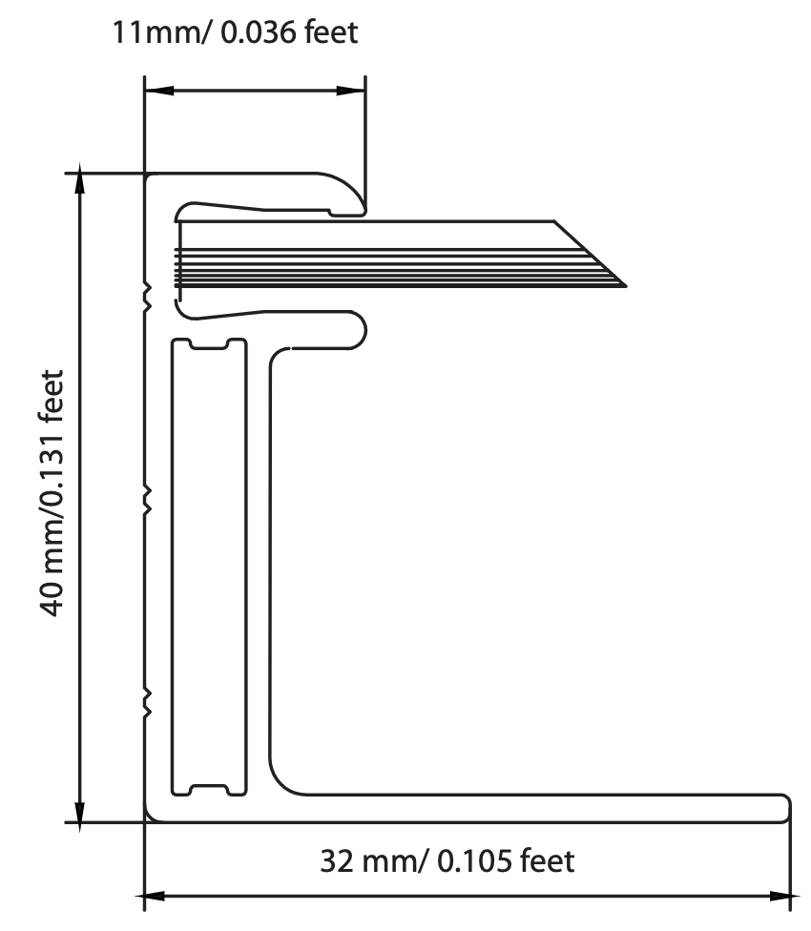 | 193.47 |  | 40 | 1648 | 990 | 5276 | 1.63 | 1020.75 | 2.76 | 1.69 | 3.2 | 1.62 | 13.08 | 8.02 | Poly | 15.9
CHSM6612P-310 | Astronergy | CHSM6612P-310 | Astronergy | 23.5 | g-b | Tier 1 | Non-Tier 1 | 2015 | 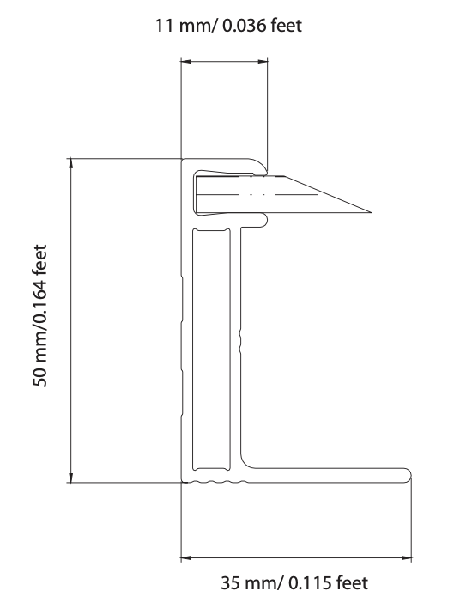 | 274.49 |  | 50 | 1956 | 994 | 5900 | 1.94 | 1619.49 | 4.37 | 2.25 | 3.2 | 1.92 | 15.58 | 8.02 | Poly | 15.9
CS6K-275M | Canadian Solar | CS6K-275M | Canadian Solar | 18.2 | g-b | Tier 1 | Non-Tier 1 | 2015 |  | 187.85 |  | 40 | 1650 | 992 | 5284 | 1.64 | 992.60 | 2.68 | 1.64 | 3.2 | 1.62 | 13.12 | 8.02 | Mono | 16.8
CS6K-280MS | Canadian Solar | CS6K-280MS | Canadian Solar | 19.3 | g-b | Tier 1 | Non-Tier 1 | 2016 | 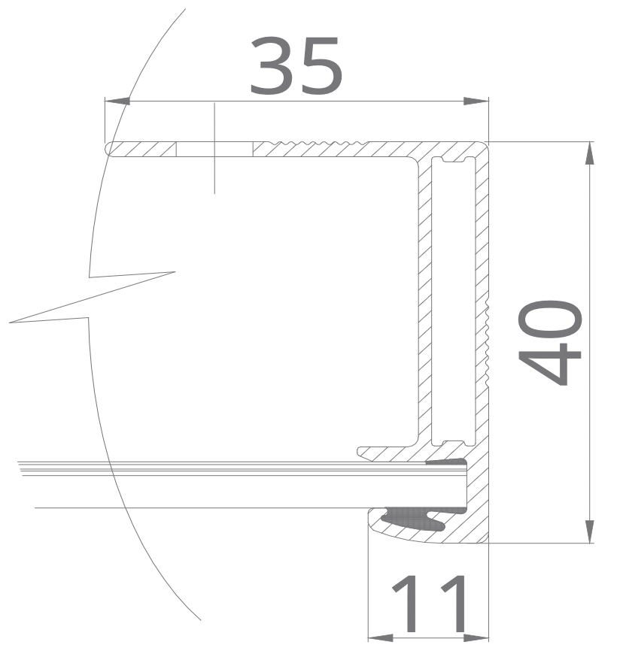 | 163.60 |  | 40 | 1650 | 992 | 5284 | 1.64 | 864.46 | 2.33 | 1.43 | 3.2 | 1.62 | 13.12 | 8.02 | Mono | 17.11
CS6K-295MS | Canadian Solar | CS6K-295MS | Canadian Solar | 18.2 | g-b | Tier 1 | Non-Tier 1 | 2017 | 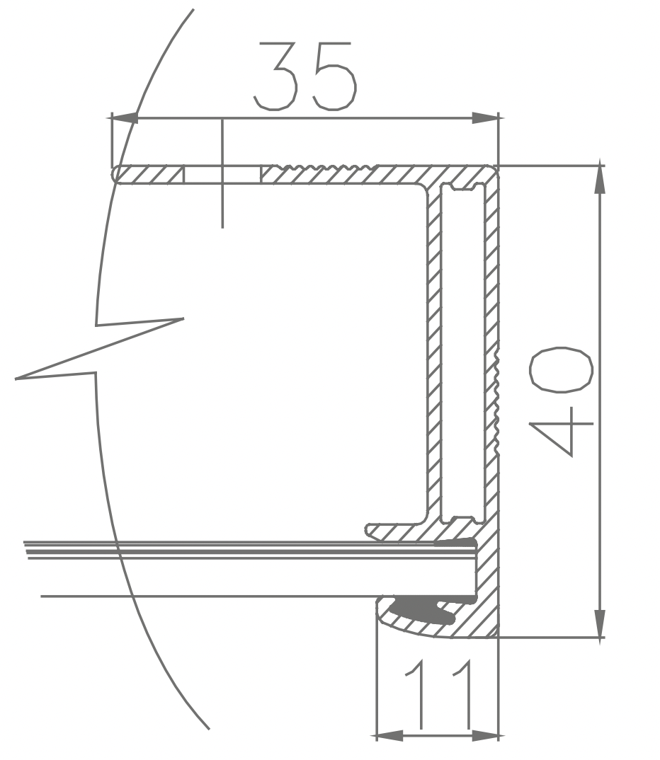 | 163.60 |  | 40 | 1650 | 992 | 5284 | 1.64 | 864.46 | 2.33 | 1.43 | 3.2 | 1.62 | 13.12 | 8.02 | Mono PERC | 18.02
CS6P-255P | Canadian Solar | CS6P-255P | Canadian Solar | 18.5 | g-b | Tier 1 | Non-Tier 1 | 2014 | 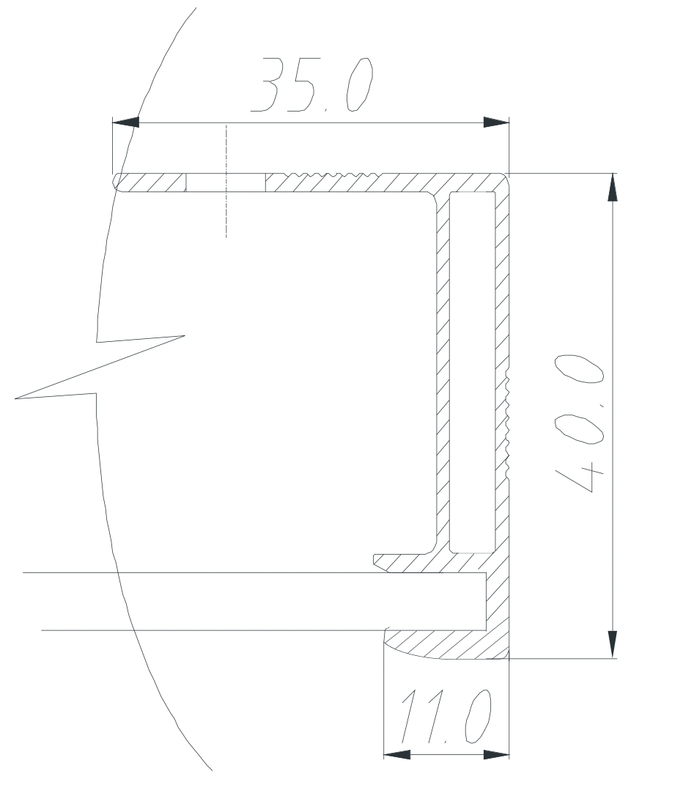 | 187.85 |  | 40 | 1638 | 982 | 5240 | 1.61 | 984.33 | 2.66 | 1.65 | 3.2 | 1.59 | 12.89 | 8.02 | Poly | 15.85
CS1H-320MS | Canadian Solar | CS1H-320MS | Canadian Solar | 19.2 | g-b | Tier 1 | Tier 1 | 2020 | 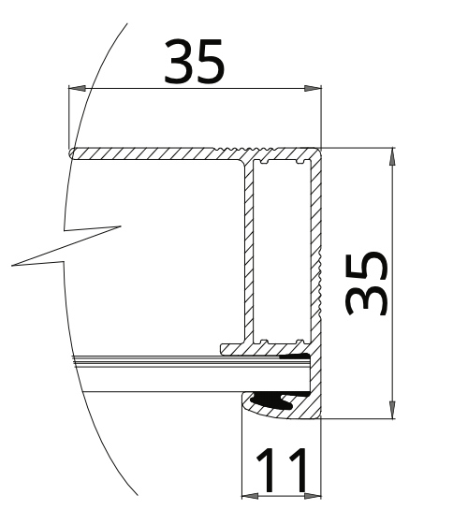 | 192.87 |  | 35 | 1700 | 992 | 5384 | 1.69 | 1038.41 | 2.80 | 1.66 | 3.2 | 1.67 | 13.52 | 8.02 | Mono PERC | 18.98
CS3K-300MS | Canadian Solar | CS3K-300MS | Canadian Solar | 18.5 | g-b | Tier 1 | Non-Tier 1 | 2018 |  | 192.87 |  | 35 | 1675 | 992 | 5334 | 1.66 | 1028.77 | 2.78 | 1.67 | 3.2 | 1.64 | 13.32 | 8.02 | Mono PERC | 18.05
CS6U-330P | Canadian Solar | CS6U-330P | Canadian Solar | 22.4 | g-b | Tier 1 | Non-Tier 1 | 2018 |  | 192.87 |  | 35 | 1960 | 992 | 5904 | 1.94 | 1138.70 | 3.07 | 1.58 | 3.2 | 1.92 | 15.58 | 8.02 | Poly | 16.97
CS6P-230PX | Canadian Solar | CS6P-230PX | Canadian Solar |  |  | Tier 1 | Non-Tier 1 | 2011 |  | 308.97 | 324.36 | 40 | 1638 | 982 | 5240 | 1.61 | 1649.23 | 4.45 | 2.77 | 3.2 | 1.59 | 12.89 | 8.02 | Poly | 14.3
CS5A-185M | Canadian Solar | CS5A-185M | Canadian Solar | 15.8 | g-b | Tier 1 | Non-Tier 1 | 2011 |  | 228.51 | 246.4 | 40 | 1595 | 801 | 4792 | 1.28 | 1123.68 | 3.03 | 2.37 | 3.2 | 1.26 | 10.24 | 8.02 | Mono | 14.48
CS6X-295M | Canadian Solar | CS6X-295M | Canadian Solar | 23 | g-b | Tier 1 | Non-Tier 1 | 2013 | 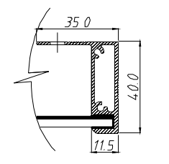 | 221.88 |  | 40 | 1954 | 982 | 5872 | 1.92 | 1302.88 | 3.52 | 1.83 | 3.2 | 1.90 | 15.38 | 8.02 | Mono | 15.37
CS6P-245MX | Canadian Solar | CS6P-245MX | Canadian Solar |  | g-b | Tier 1 | Non-Tier 1 | 2011 |  | 308.97 | 324.36 | 40 | 1638 | 982 | 5240 | 1.61 | 1649.23 | 4.45 | 2.77 | 3.2 | 1.59 | 12.89 | 8.02 | Mono | 15.23
CS6X-300P | Canadian Solar | CS6X-300P | Canadian Solar | 22 | g-b | Tier 1 | Non-Tier 1 | 2013 |  | 221.88 |  | 40 | 1954 | 982 | 5872 | 1.92 | 1302.88 | 3.52 | 1.83 | 3.2 | 1.90 | 15.38 | 8.02 | Poly | 16.63
CS6U-340M | Canadian Solar | CS6U-340M | Canadian Solar | 22.4 | g-b | Tier 1 | Non-Tier 1 | 2016 |  | 163.6 |  | 40 | 1960 | 992 | 5904 | 1.94 | 965.89 | 2.61 | 1.34 | 3.2 | 1.92 | 15.58 | 8.02 | Mono | 17.49
CS3W-405P | Canadian Solar | CS3W-405P | Canadian Solar | 24.9 | g-b | Tier 1 | Tier 1 | 2020 | 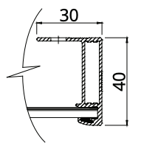 | 159.07 |  | 40 | 2109 | 1048 | 6314 | 2.21 | 1004.37 | 2.71 | 1.23 | 3.2 | 2.19 | 17.72 | 8.02 | Poly PERC | 18.3
CS3L-350MS | Canadian Solar | CS3L-350MS | Canadian Solar | 21.1 | g-b | Tier 1 | Tier 1 | 2020 |  | 159.07 |  | 40 | 1765 | 1048 | 5626 | 1.85 | 894.93 | 2.42 | 1.31 | 3.2 | 1.83 | 14.83 | 8.02 | Mono PERC | 18.9
CS7N-640MS | Canadian Solar | CS7N-640MS | Canadian Solar | 34.4 | g-g? | Tier 1 | Non-Tier 1 | 2021 | 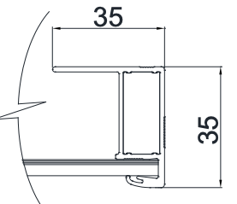 | 184.33 |  | 35 | 2384 | 1303 | 7374 | 3.11 | 1359.25 | 3.67 | 1.18 | 3.2 | 3.08 | 24.90 | 8.02 | Mono PERC | 20.6
CS1U-400MS | Canadian Solar | CS1U-400MS | Canadian Solar | 23.4 | g-b | Tier 1 | Non-Tier 1 | 2019 |  | 192.87 |  | 35 | 2078 | 992 | 6140 | 2.06 | 1184.22 | 3.20 | 1.55 | 3.2 | 2.04 | 16.52 | 8.02 | Mono PERC | 19.4
GCL-P6/72-325 | GCL | GCL-P6/72-325 | GCL | 22.2 | g-b | Tier 1 | Tier 1 | 2017 | 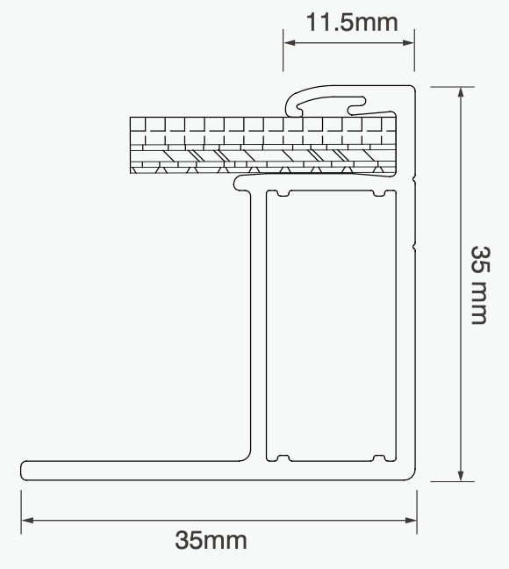 | 191.74 |  | 35 | 1956 | 992 | 5896 | 1.94 | 1130.50 | 3.05 | 1.57 | 3.2 | 1.92 | 15.55 | 8.02 | Poly | 16.7
GCL-P6-60-245 | GCL | GCL-P6-60-245 | GCL | 19.5 | g-b | Tier 1 | Non-Tier 1 | 2013 | 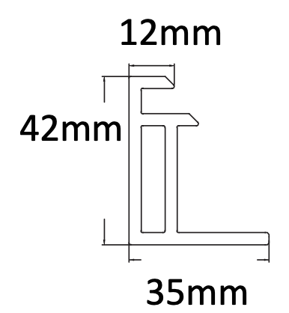 | 370.28 |  | 42 | 1650 | 990 | 5280 | 1.63 | 1955.08 | 5.28 | 3.23 | Not specified | 1.62 |  |  | Poly | 15
GCL-M6/72H-370 | GCL | GCL-M6/72H-370 | GCL | 22.2 | g-b | Tier 1 | Tier 1 | 2018 |  | 191.74 |  | 35 | 1970 | 998 | 5936 | 1.97 | 1138.17 | 3.07 | 1.56 | 3.2 | 1.95 | 15.76 | 8.02 | Mono | 19.1
HiA-S360HI | Hyundai | HiA-S360HI | Hyundai | 22.6 | g-b | Tier 1 | Non-Tier 1 | 2019 | 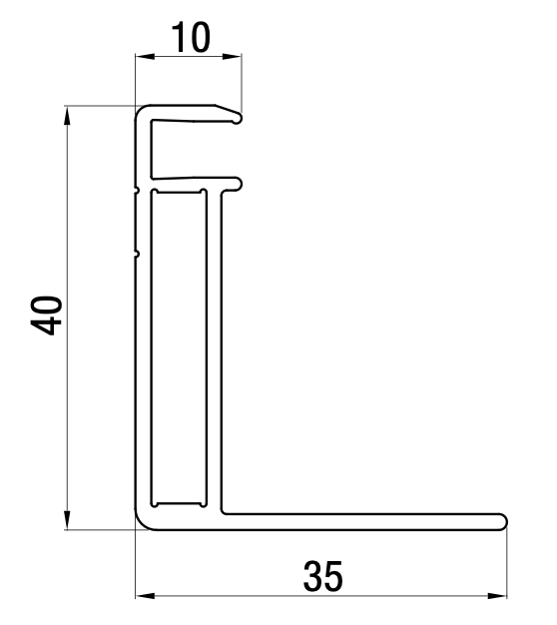 | 180.06 |  | 40 | 2000 | 992 | 5984 | 1.98 | 1077.48 | 2.91 | 1.47 | Not specified | 1.96 |  |  | Mono | 18.1
HiS-S280RG | Hyundai | HiS-S280RG | Hyundai | 18.7 | g-b | Tier 1 | Non-Tier 1 | 2016 | 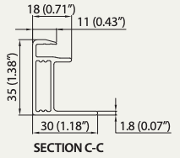 | 188.45 |  | 35 | 1640 | 998 | 5276 | 1.64 | 994.26 | 2.68 | 1.64 | 3.2 | 1.62 | 13.12 | 8.02 | Mono | 17.1
HIS-S360KI | Hyundai | HIS-S360KI | Hyundai | 22.9 | g-b | Tier 1 | Non-Tier 1 | 2016 |  | 248.36 | 228.51 | 40 | 1960 | 998 | 5916 | 1.96 | 1429.68 | 3.86 | 1.97 | 3.2 | 1.94 | 15.68 | 8.02 | Mono | 18.4
HiA-S300HG | Hyundai | HiA-S300HG | Hyundai | 18.5 | g-b | Tier 1 | Non-Tier 1 | 2020 | 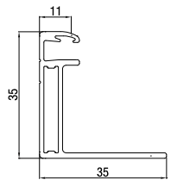 | 189.11 |  | 35 | 1675 | 992 | 5334 | 1.66 | 1008.71 | 2.72 | 1.64 | Not specified | 1.64 |  |  | Mono | 18.1
HiS-M250MG | Hyundai | HiS-M250MG | Hyundai | 19 | g-b | Tier 1 | Non-Tier 1 | 2013 | 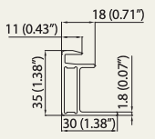 | 188.45 |  | 35 | 1645 | 983 | 5256 | 1.62 | 990.49 | 2.67 | 1.65 | 3.2 | 1.60 | 12.96 | 8.02 | Poly | 15.5
JAM6(k)-60-295/PR | JA Solar | JAM6(k)-60-295/PR | JA Solar | 18.7 | g-b | Tier 1 | Tier 1 | 2016 | 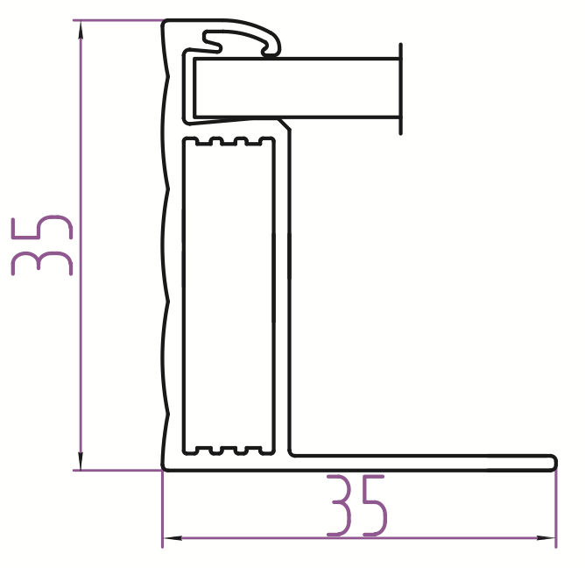 | 148.98 |  | 35 | 1650 | 991 | 5282 | 1.64 | 786.91 | 2.12 | 1.30 | Not specified | 1.62 |  |  | Mono | 17.43
JAP72S01-330/SC | JA Solar | JAP72S01-330/SC | JA Solar | 22.5 | g-b | Tier 1 | Non-Tier 1 | 2017 | 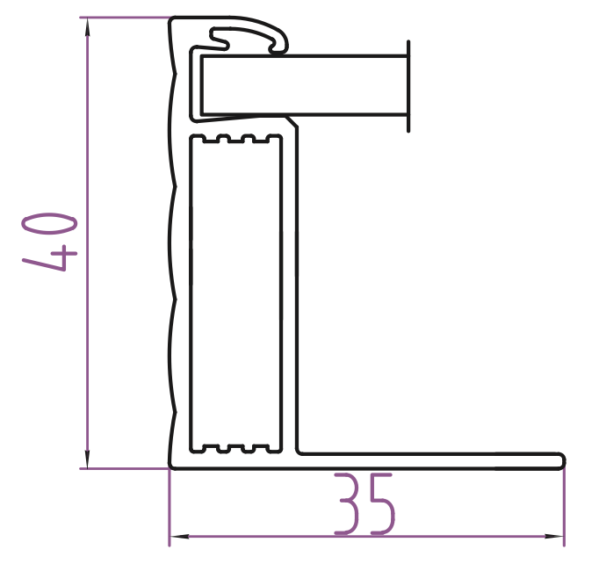 | 184.08 |  | 40 | 1690 | 991 | 5362 | 1.67 | 987.04 | 2.66 | 1.59 | 3.2 | 1.66 | 13.42 | 8.02 | Poly | 16.99
JAP6-60-265/3BB | JA Solar | JAP6-60-265/3BB | JA Solar | 18.2 | g-b | Tier 1 | Tier 1 | 2015 | 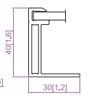 | 194.37 |  | 40 | 1650 | 991 | 5282 | 1.64 | 1026.66 | 2.77 | 1.70 | Not specified | 1.62 |  |  | Poly | 16.21
JAM60S17-325/MR | JA Solar | JAM60S17-325/MR | JA Solar | 18.7 | g-b | Tier 1 | Tier 1 | 2019 | 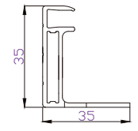 | 150.72 |  | 35 | 1689 | 996 | 5370 | 1.68 | 809.37 | 2.19 | 1.30 | Not specified | 1.67 |  |  | Mono PERC | 19.3
JAM72S10-400/MR | JA Solar | JAM72S10-400/MR | JA Solar | 20.7 | g-b | Tier 1 | Tier 1 | 2020 | 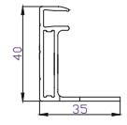 | 197.68 |  | 40 | 2015 | 996 | 6022 | 2.01 | 1190.43 | 3.21 | 1.60 | Not specified | 1.99 |  |  | Mono PERC | 19.9
JAM72S01-355/PR | JA Solar | JAM72S01-355/PR | JA Solar | 22 | g-b | Tier 1 | Tier 1 | 2018 | 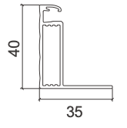 | 187.49 |  | 40 | 1960 | 991 | 5902 | 1.94 | 1106.57 | 2.99 | 1.54 | Not specified | 1.92 |  |  | Mono PERC | 18.3
JKM265P-60 | Jinko | JKM265P-60 | Jinko | 19 | g-b | Tier 1 | Tier 1 | 2015 |  | 210.09 |  | 40 | 1650 | 992 | 5284 | 1.64 | 1110.12 | 3.00 | 1.83 | 3.2 | 1.62 | 13.12 | 8.02 | Poly | 16.19
JKM295M-60B | Jinko | JKM295M-60B | Jinko | 19 | g-b | Tier 1 | Tier 1 | 2017 | 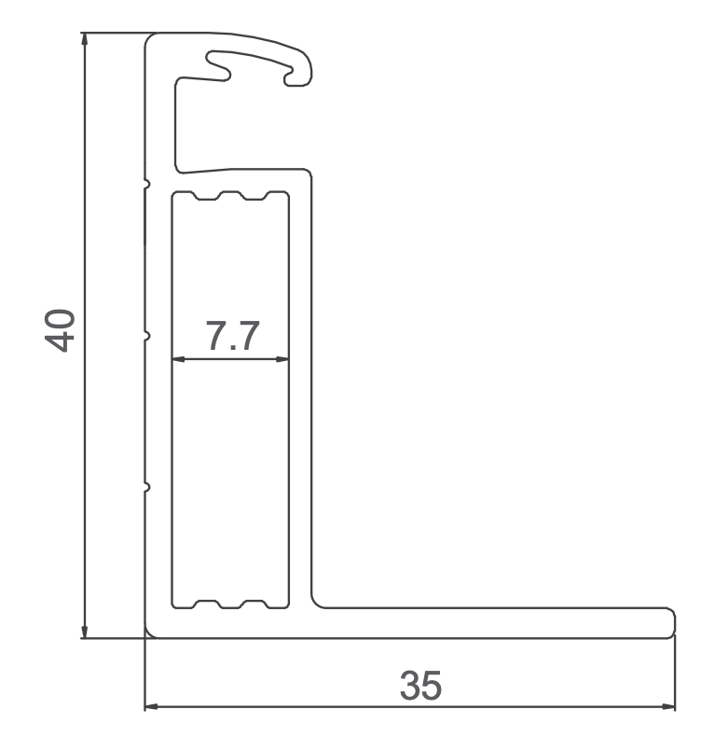 | 217.10 |  | 40 | 1650 | 992 | 5284 | 1.64 | 1147.16 | 3.10 | 1.89 | 3.2 | 1.62 | 13.12 | 8.02 | Mono PERC | 18.02
JKM300M-60 | Jinko | JKM300M-60 | Jinko | 19 | g-b | Tier 1 | Tier 1 | 2018 | 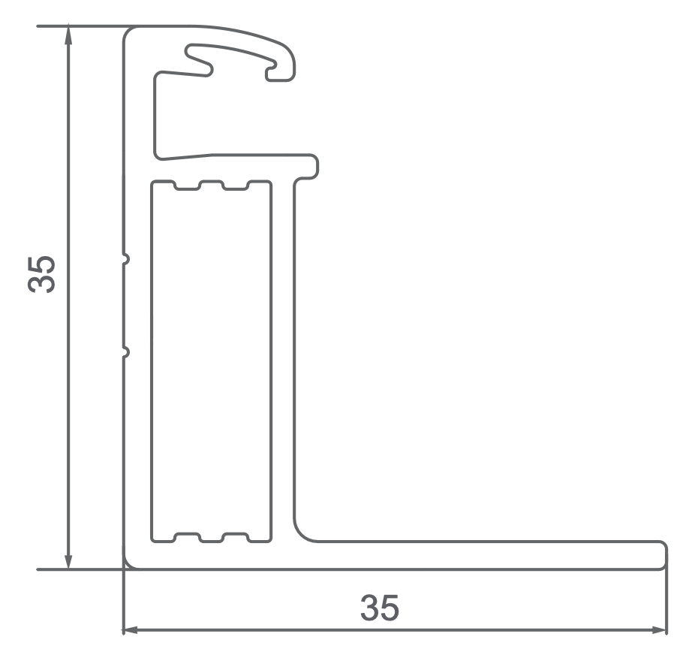 | 207.62 |  | 35 | 1650 | 992 | 5284 | 1.64 | 1097.06 | 2.96 | 1.81 | 3.2 | 1.62 | 13.12 | 8.02 | Mono PERC | 18.33
JKM260P-60 | Jinko | JKM260P-60 | Jinko | 19 | g-b | Tier 1 | Tier 1 | 2015 |  | 210.09 |  | 40 | 1650 | 992 | 5284 | 1.64 | 1110.12 | 3.00 | 1.83 | 3.2 | 1.62 | 13.12 | 8.02 | Poly | 15.89
JKM265PP-60 | Jinko | JKM265PP-60 | Jinko | 19 | g-b | Tier 1 | Tier 1 | 2015 |  | 210.09 |  | 40 | 1650 | 992 | 5284 | 1.64 | 1110.12 | 3.00 | 1.83 | 3.2 | 1.62 | 13.12 | 8.02 | Poly | 16.19
JKM235P-60 | Jinko | JKM235P-60 | Jinko | 19 | g-b | Tier 1 | Tier 1 | 2012 | 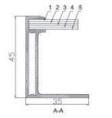 | 231.37 |  | 45 | 1650 | 992 | 5284 | 1.64 | 1222.56 | 3.30 | 2.02 | 3.2 | 1.62 | 13.12 | 8.02 | Poly | 14.35
JKM320P-72 | Jinko | JKM320P-72 | Jinko | 26.5 | g-b | Tier 1 | Tier 1 | 2016 | 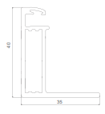 | 217.10 |  | 40 | 1956 | 992 | 5896 | 1.94 | 1280.02 | 3.46 | 1.78 | 3.2 | 1.92 | 15.55 | 8.02 | Poly | 16.49
JKM280M-60B | Jinko | JKM280M-60B | Jinko | 19 | g-b | Tier 1 | Tier 1 | 2016 |  | 217.10 |  | 40 | 1650 | 992 | 5284 | 1.64 | 1147.16 | 3.10 | 1.89 | 3.2 | 1.62 | 13.12 | 8.02 | Mono PERC | 17.11
JKM315PP-72-V | Jinko | JKM315PP-72-V | Jinko | 22.5 | g-b | Tier 1 | Tier 1 | 2016 |  | 217.10 |  | 40 | 1956 | 992 | 5896 | 1.94 | 1280.02 | 3.46 | 1.78 | 4 | 1.92 | 19.44 | 10.02 | Poly | 16.23
JKM400M-72HL | Jinko | JKM400M-72HL | Jinko | 22.5 | g-b | Tier 1 | Tier 1 | 2019 |  | 217.10 |  | 40 | 2009 | 1002 | 6022 | 2.01 | 1307.38 | 3.53 | 1.75 | 3.2 | 1.99 | 16.13 | 8.02 | Mono PERC | 19.88
JKM320M-60HL | Jinko | JKM320M-60HL | Jinko | 19 | g-b | Tier 1 | Tier 1 | 2019 |  | 217.10 |  | 35 | 1684 | 1002 | 5372 | 1.69 | 1166.26 | 3.15 | 1.87 | 3.2 | 1.67 | 13.52 | 8.02 | Mono PERC | 18.96
JKM385M-72-V | Jinko | JKM385M-72-V | Jinko | 22.5 | g-b | Tier 1 | Tier 1 | 2019 |  | 217.10 |  | 40 | 1979 | 1002 | 5962 | 1.98 | 1294.35 | 3.49 | 1.76 | 3.2 | 1.96 | 15.89 | 8.02 | Mono PERC | 19.42
LG255S1C-G2 | LG | LG255S1C-G2 | LG | 18.4 | g-b | Non-Tier 1 | Non-Tier 1 | 2012 | 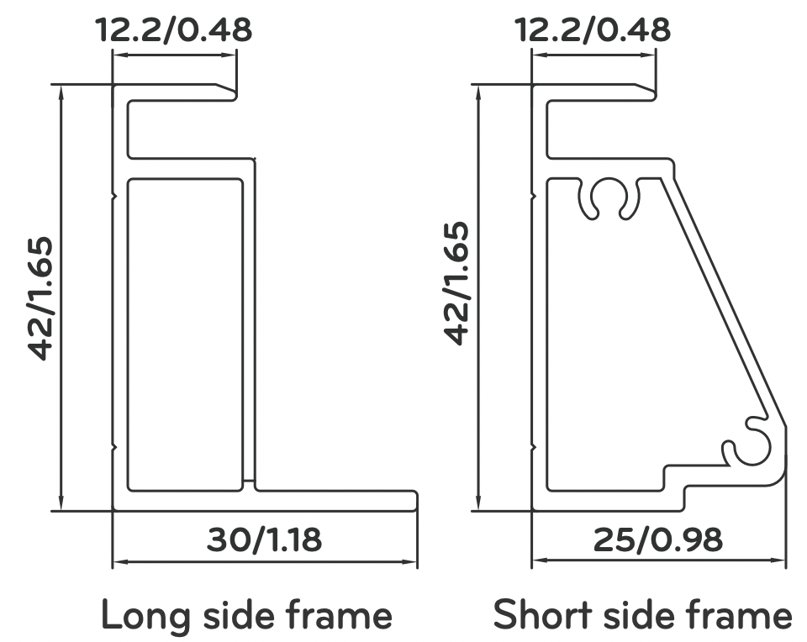 | 192.34 | 208.42 | 42 | 1632 | 986 | 5236 | 1.61 | 1038.80 | 2.80 | 1.74 | Not specified | 1.59 |  |  | Mono | 15.8
LG295S1C-A5 | LG | LG295S1C-A5 | LG | 18 | g-b | Non-Tier 1 | Non-Tier 1 | 2017 | 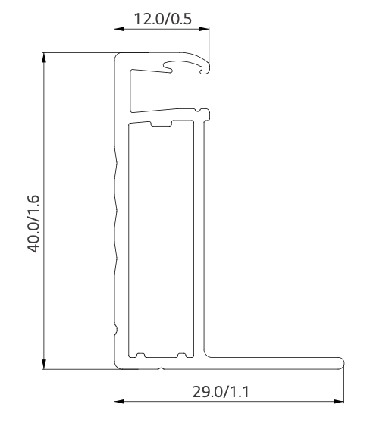 | 187.35 |  | 40 | 1686 | 1016 | 5404 | 1.71 | 1012.44 | 2.73 | 1.60 | Not specified | 1.70 |  |  | Mono | 17.2
LG310N1C-G4 | LG | LG310N1C-G4 | LG | 17 | g-b | Non-Tier 1 | Non-Tier 1 | 2015 | 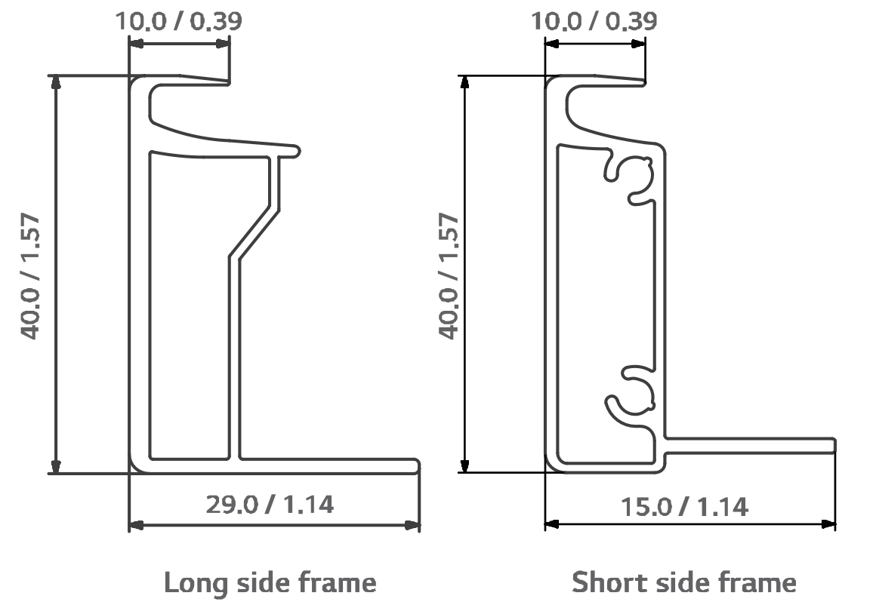 | 183.4 | 164.14 | 40 | 1640 | 1000 | 5280 | 1.64 | 929.83 | 2.51 | 1.53 | Not specified | 1.62 |  |  | Mono | 18.9
LG320N1K-A5 | LG | LG320N1K-A5 | LG | 18 | g-b | Non-Tier 1 | Non-Tier 1 | 2017 |  | 187.35 |  | 40 | 1686 | 1016 | 5404 | 1.71 | 1012.44 | 2.73 | 1.60 | Not specified | 1.70 |  |  | Mono | 18.7
LG350Q1C-A5 | LG | LG350Q1C-A5 | LG | 18.5 | g-b | Non-Tier 1 | Non-Tier 1 | 2017 |  | 164.95 | 172.14 | 40 | 1700 | 1016 | 5432 | 1.73 | 910.62 | 2.46 | 1.42 | Not specified | 1.71 |  |  | Mono | 20.3
LG235M1C-G2 | LG | LG235M1C-G2 | LG | 19 | g-b | Non-Tier 1 | Non-Tier 1 | 2011 |  | 147.34 | 263.29 | 42 | 1632 | 986 | 5236 | 1.61 | 1000.13 | 2.70 | 1.68 | Not specified | 1.59 |  |  | Mono | 14.6
LG245S1C-G2 | LG | LG245S1C-G2 | LG | 19 | g-b | Non-Tier 1 | Non-Tier 1 | 2011 |  | 147.34 | 263.29 | 42 | 1632 | 986 | 5236 | 1.61 | 1000.13 | 2.70 | 1.68 | Not specified | 1.59 |  |  | Mono | 15.2
LG250S1K-G3 | LG | LG250S1K-G3 | LG | 16.8 | g-b | Non-Tier 1 | Non-Tier 1 | 2013 | 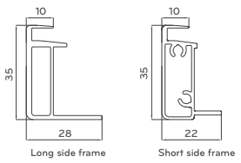 | 173.98 | 166.63 | 35 | 1640 | 1000 | 5280 | 1.64 | 903.91 | 2.44 | 1.49 | Not specified | 1.62 |  |  | Mono | 15.2
LG300N1C-A3 | LG | LG300N1C-A3 | LG | 16.8 | g-b | Non-Tier 1 | Non-Tier 1 | 2014 |  | 173.98 | 166.63 | 35 | 1640 | 1000 | 5280 | 1.64 | 903.91 | 2.44 | 1.49 | Not specified | 1.62 |  |  | Mono | 18.3
LG305N1C-B3 | LG | LG305N1C-B3 | LG | 17.3 | g-b | Non-Tier 1 | Non-Tier 1 | 2014 |  | 173.98 | 166.63 | 35 | 1640 | 1000 | 5280 | 1.64 | 903.91 | 2.44 | 1.49 | Not specified | 1.62 |  |  | Mono | 18.6
LG250S1K-A3 | LG | LG250S1K-A3 | LG | 16.8 | g-b | Non-Tier 1 | Non-Tier 1 | 2013 |  | 173.98 | 166.63 | 35 | 1640 | 1000 | 5280 | 1.64 | 903.91 | 2.44 | 1.49 | Not specified | 1.62 |  |  | Mono | 15.2
LG365N1C-N5 | LG | LG365N1C-N5 | LG | 18 | g-b | Non-Tier 1 | Non-Tier 1 | 2020 |  | 187.35 |  | 40 | 1700 | 1016 | 5432 | 1.73 | 1017.69 | 2.75 | 1.59 | 2.8 | 1.71 | 12.11 | 7.01 | Mono | 21.1
LG325N1C-A5 | LG | LG325N1C-A5 | LG | 18 | g-b | Non-Tier 1 | Non-Tier 1 | 2017 |  | 187.35 |  | 40 | 1686 | 1016 | 5404 | 1.71 | 1012.44 | 2.73 | 1.60 | Not specified | 1.70 |  |  | Mono | 19
LG265S1C-A3 | LG | LG265S1C-A3 | LG | 16.8 | g-b | Non-Tier 1 | Non-Tier 1 | 2012 |  | 173.98 | 166.63 | 35 | 1640 | 1000 | 5280 | 1.64 | 903.91 | 2.44 | 1.49 | Not specified | 1.62 |  |  | Mono | 16.2
LG300N1C-G3 | LG | LG300N1C-G3 | LG | 16.8 | g-b | Non-Tier 1 | Non-Tier 1 | 2013 |  | 173.98 | 166.63 | 35 | 1640 | 1000 | 5280 | 1.64 | 903.91 | 2.44 | 1.49 | Not specified | 1.62 |  |  | Mono | 18.3
LG300S1W-A5 | LG | LG300S1W-A5 | LG | 21.7 | g-b | Non-Tier 1 | Non-Tier 1 | 2017 |  | 187.35 |  | 40 | 2024 | 1024 | 6096 | 2.07 | 1142.09 | 3.08 | 1.49 | Not specified | 2.05 |  |  | Mono | 17.1
LG300N1K-G4 | LG | LG300N1K-G4 | LG | 17 | g-b | Non-Tier 1 | Non-Tier 1 | 2016 |  | 164.95 | 172.14 | 40 | 1640 | 1000 | 5280 | 1.64 | 885.32 | 2.39 | 1.46 | Not specified | 1.62 |  |  | Mono | 18.3
LG255S1C-G3 | LG | LG255S1C-G3 | LG | 16.8 | g-b | Non-Tier 1 | Non-Tier 1 | 2013 |  | 173.98 | 166.63 | 35 | 1640 | 1000 | 5280 | 1.64 | 903.91 | 2.44 | 1.49 | Not specified | 1.62 |  |  | Mono | 15.5
LR6-60PB-300M | Longi Solar | LR6-60PB-300M | Longi Solar | 18.2 | g-b | Tier 1 | Tier 1 | 2017 | 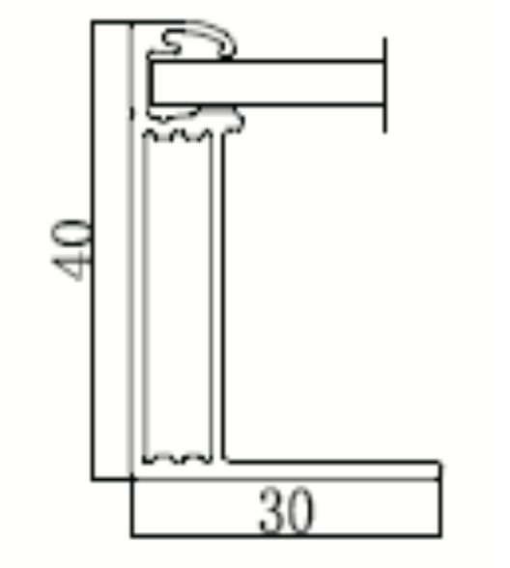 | 172.34 |  | 40 | 1650 | 991 | 5282 | 1.64 | 910.30 | 2.46 | 1.50 | Not specified | 1.62 |  |  | Mono PERC | 18.3
LR6-60-290M | Longi Solar | LR6-60-290M | Longi Solar | 18.2 | g-b | Tier 1 | Tier 1 | 2017 |  | 172.34 |  | 40 | 1650 | 991 | 5282 | 1.64 | 910.30 | 2.46 | 1.50 | Not specified | 1.62 |  |  | Mono | 17.7
LR6-60PE-300M | Longi Solar | LR6-60PE-300M | Longi Solar | 18.2 | g-b | Tier 1 | Tier 1 | 2018 |  | 172.34 |  | 40 | 1650 | 991 | 5282 | 1.64 | 910.30 | 2.46 | 1.50 | Not specified | 1.62 |  |  | Mono PERC | 18.3
LR6-60OPH-340M | Longi Solar | LR6-60OPH-340M | Longi Solar | 19 | g-b | Tier 1 | Tier 1 | 2018 | 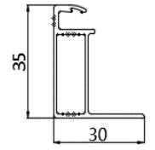 | 129.16 |  | 35 | 1762 | 994 | 5512 | 1.75 | 711.93 | 1.92 | 1.10 | 3.2 | 1.73 | 14.04 | 8.02 | Mono PERC | 19.4
LR6-72HV-340M | Longi Solar | LR6-72HV-340M | Longi Solar | 22.5 | g-b | Tier 1 | Tier 1 | 2018 | 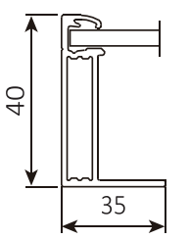 | 142.53 |  | 40 | 1956 | 991 | 5894 | 1.94 | 840.07 | 2.27 | 1.17 | Not specified | 1.92 |  |  | Mono | 17.5
LR6-60HPH-305M | Longi Solar | LR6-60HPH-305M | Longi Solar | 16.8 | g-b | Tier 1 | Tier 1 | 2019 |  | 172.34 |  | 35 | 1672 | 991 | 5326 | 1.66 | 917.88 | 2.48 | 1.50 | Not specified | 1.64 |  |  | Mono PERC | 18.4
LR4-60HPB-350M | Longi Solar | LR4-60HPB-350M | Longi Solar | 19.5 | g-b | Tier 1 | Tier 1 | 2020 | 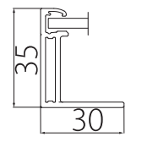 | 176.85 |  | 35 | 1755 | 1038 | 5586 | 1.82 | 987.88 | 2.67 | 1.46 | 3.2 | 1.80 | 14.60 | 8.02 | Mono PERC | 19.2
PS325P-24/T | Phono Solar | PS325P-24/T | Phono Solar | 22.5 | g-b | Tier 1 | Tier 1 | 2018 | 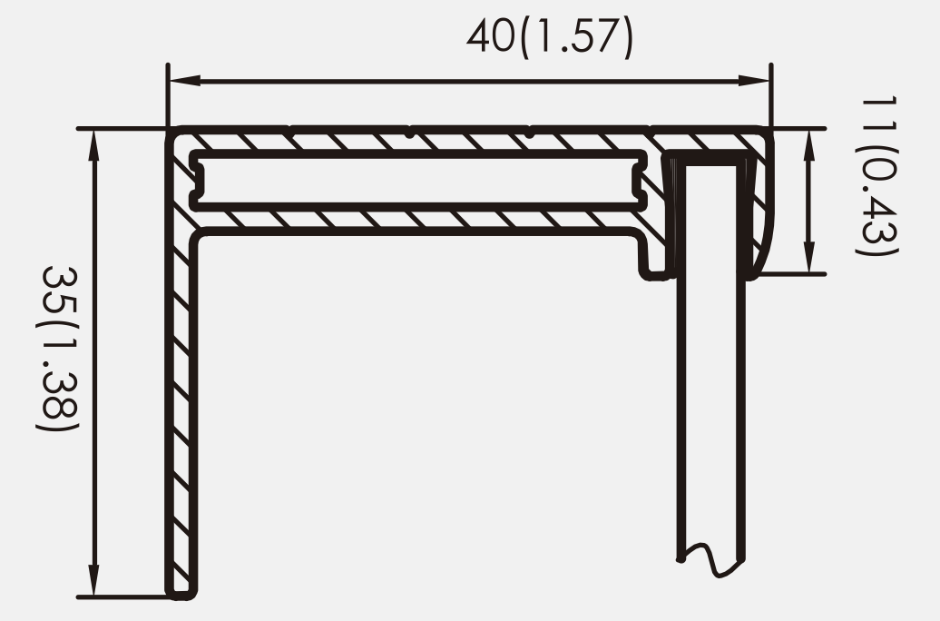 | 253.08 |  | 40 | 1956 | 992 | 5896 | 1.94 | 1492.16 | 4.03 | 2.08 | 3.2 | 1.92 | 15.55 | 8.02 | Poly | 16.75
PS320M-20/UM | Phono Solar | PS320M-20/UM | Phono Solar | 18.5 | g-b | Tier 1 | Non-Tier 1 | 2020 | 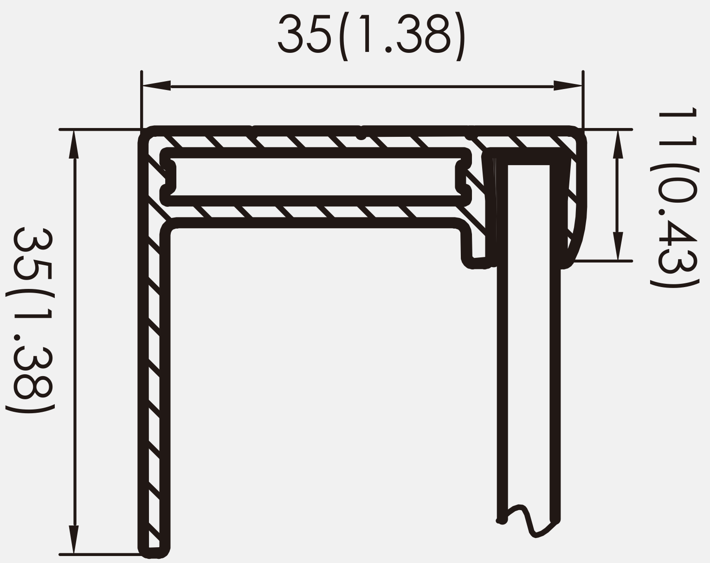 | 226.21 |  | 35 | 1640 | 992 | 5264 | 1.63 | 1190.77 | 3.22 | 1.98 | 3.2 | 1.61 | 13.04 | 8.02 | Mono PERC | 19.67
PS325M1H-20/U | Phono Solar | PS325M1H-20/U | Phono Solar | 19 | g-b | Tier 1 | Tier 1 | 2021 | 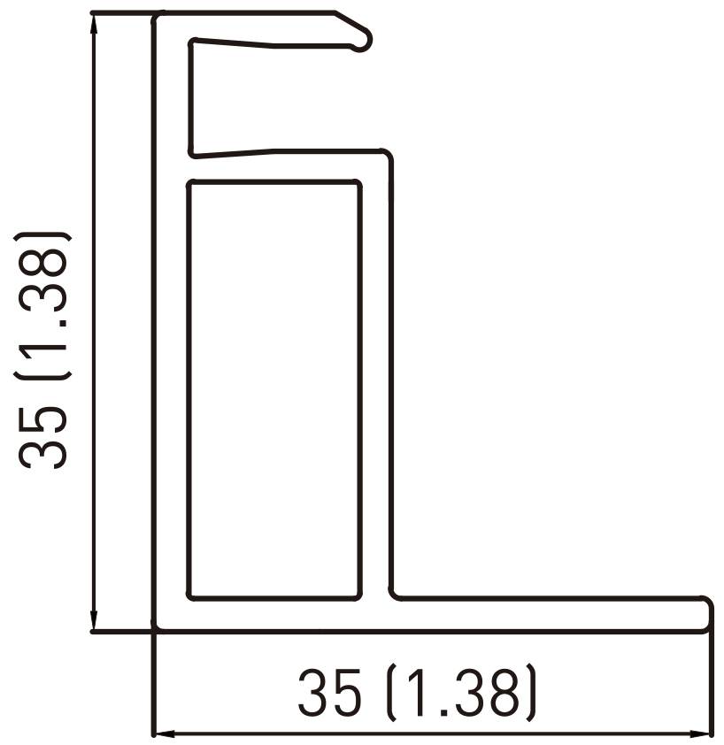 | 207.73 |  | 35 | 1666 | 1000 | 5332 | 1.67 | 1107.62 | 2.99 | 1.80 | 3.2 | 1.65 | 13.35 | 8.02 | Mono PERC | 19.51
PS410M1-24/TH | Phono Solar | PS410M1-24/TH | Phono Solar | 23.5 | g-b | Tier 1 | Non-Tier 1 | 2020 | 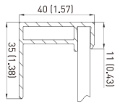 | 206.47 |  | 40 | 2010 | 1000 | 6020 | 2.01 | 1242.95 | 3.36 | 1.67 | 3.2 | 1.99 | 16.11 | 8.02 | Mono PERC | 20.65
PS320MH-20/UH | Phono Solar | PS320MH-20/UH | Phono Solar | 18.5 | g-b | Tier 1 | Non-Tier 1 | 2020 |  | 226.21 |  | 35 | 1675 | 992 | 5334 | 1.66 | 1206.60 | 3.26 | 1.96 | 3.2 | 1.64 | 13.32 | 8.02 | Mono PERC | 19.26
PS305MH-20/UH | Phono Solar | PS305MH-20/UH | Phono Solar | 18.5 | g-b | Tier 1 | Tier 1 | 2021 |  | 226.21 |  | 35 | 1675 | 992 | 5334 | 1.66 | 1206.60 | 3.26 | 1.96 | 3.2 | 1.64 | 13.32 | 8.02 | Mono PERC | 19.26
SEG-6MA-340WW | Seriphim | SEG-6MA-340WW | Seraphim | 22 | g-b | Tier 1 | Tier 1 | 2019 | 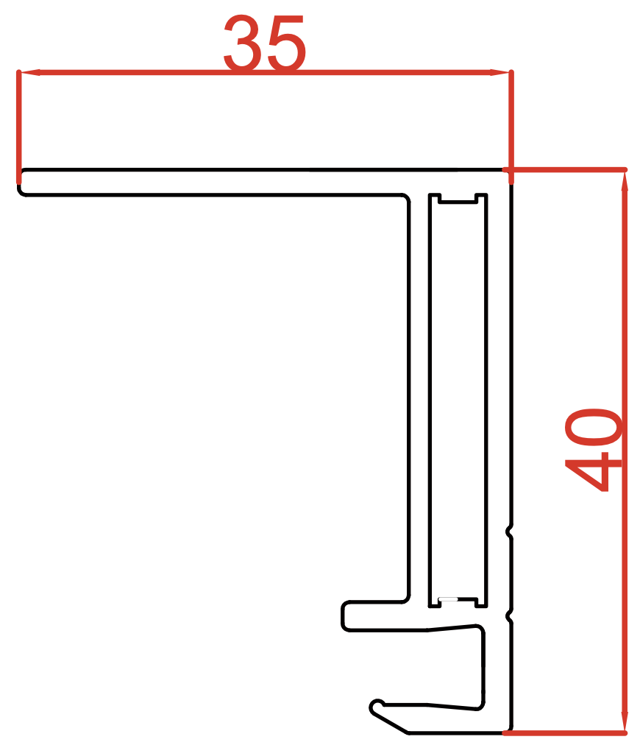 | 216.72 |  | 40 | 1956 | 992 | 5896 | 1.94 | 1277.78 | 3.45 | 1.78 | 3.2 | 1.92 | 15.55 | 8.02 | Mono | 17.52
SEG-6MB-305BB | Seriphim | SEG-6MB-305BB | Seraphim | 17.5 | g-b | Tier 1 | Tier 1 | 2019 | 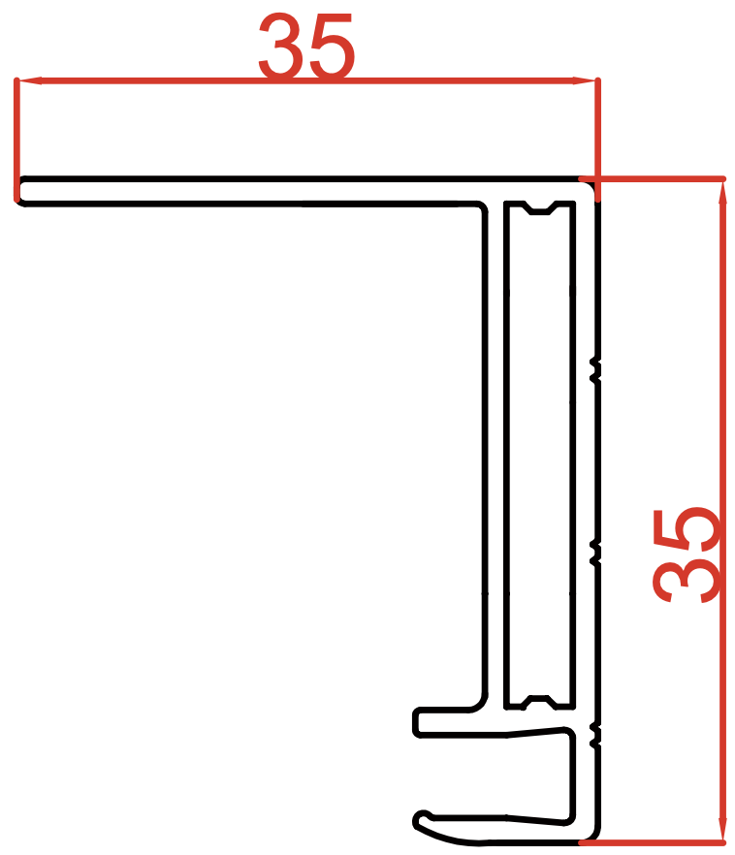 | 200.72 |  | 35 | 1640 | 992 | 5264 | 1.63 | 1056.59 | 2.85 | 1.75 | 3.2 | 1.61 | 13.04 | 8.02 | Mono PERC | 18.44
SLA300M | Silfab | SLA300M | Silfab | 19 | g-b | Non-Tier 1 | Non-Tier 1 | 2016 | 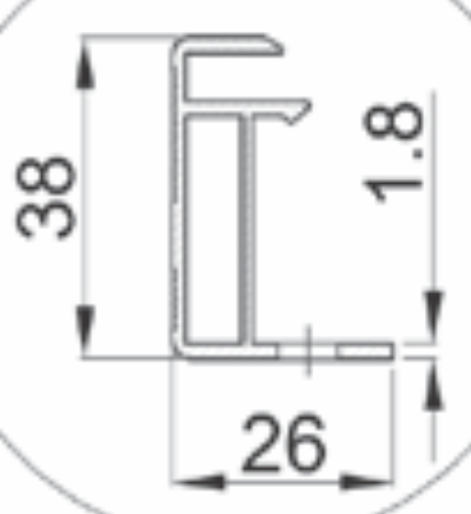 | 166.35 |  | 38 | 1650 | 990 | 5280 | 1.63 | 878.33 | 2.37 | 1.45 | 3.2 | 1.62 | 13.09 | 8.02 | Mono | 18.8
SLA310M | Silfab | SLA310M | Silfab | 19 | g-b | Non-Tier 1 | Tier 1 | 2017 |  | 166.35 |  | 38 | 1650 | 990 | 5280 | 1.63 | 878.33 | 2.37 | 1.45 | 3.2 | 1.62 | 13.09 | 8.02 | Mono | 19
SLA320M | Silfab | SLA320M | Silfab | 19 | g-b | Non-Tier 1 | Tier 1 | 2019 |  | 166.35 |  | 38 | 1650 | 990 | 5280 | 1.63 | 878.33 | 2.37 | 1.45 | 3.2 | 1.62 | 13.09 | 8.02 | Mono | 19.6
SLG350M | Silfab | SLG350M | Silfab | 23 | g-b | Non-Tier 1 | Non-Tier 1 | 2018 |  | 166.35 |  | 38 | 1970 | 990 | 5920 | 1.95 | 984.79 | 2.66 | 1.36 | 3.2 | 1.93 | 15.63 | 8.02 | Mono | 17.9
SLG370M | Silfab | SLG370M | Silfab | 23 | g-b | Non-Tier 1 | Tier 1 | 2019 |  | 166.35 |  | 38 | 1970 | 990 | 5920 | 1.95 | 984.79 | 2.66 | 1.36 | 3.2 | 1.93 | 15.63 | 8.02 | Mono | 19
SIL-330BL | Silfab | SIL-330BL | Silfab | 18.2 | g-b | Non-Tier 1 | Tier 1 | 2020 | 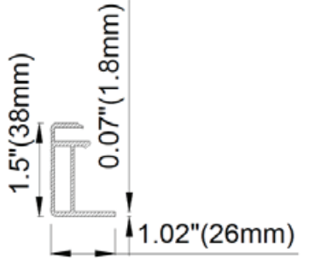 | 166.35 |  | 38 | 1700 | 1000 | 5400 | 1.70 | 898.29 | 2.43 | 1.43 | 3.2 | 1.68 | 13.63 | 8.02 | Mono PERC | 19.4
Solaria PowerXT-355R-AC | Solaria | Solaria PowerXT-355R-AC | Solaria | 22 | g-b | Non-Tier 1 | Tier 1 | 2018 | 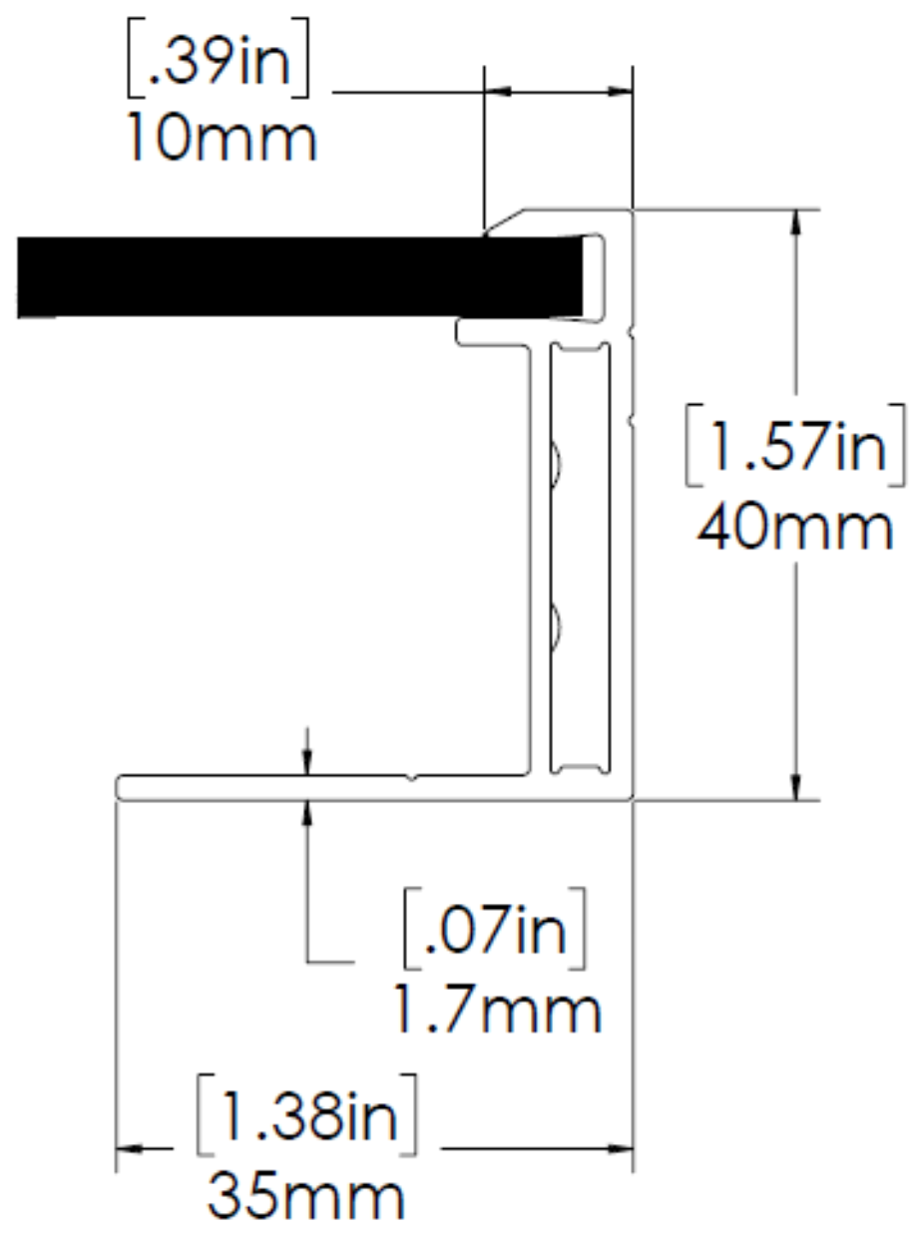 | 206.14 |  | 40 | 1621 | 1116 | 5474 | 1.81 | 1128.41 | 3.05 | 1.68 | 3.2 | 1.79 | 14.50 | 8.02 | Mono | 19.6
Solaria PowerXT-360R-PD | Solaria | Solaria PowerXT-360R-PD | Solaria | 21 | g-b | Non-Tier 1 | Tier 1 | 2018 | 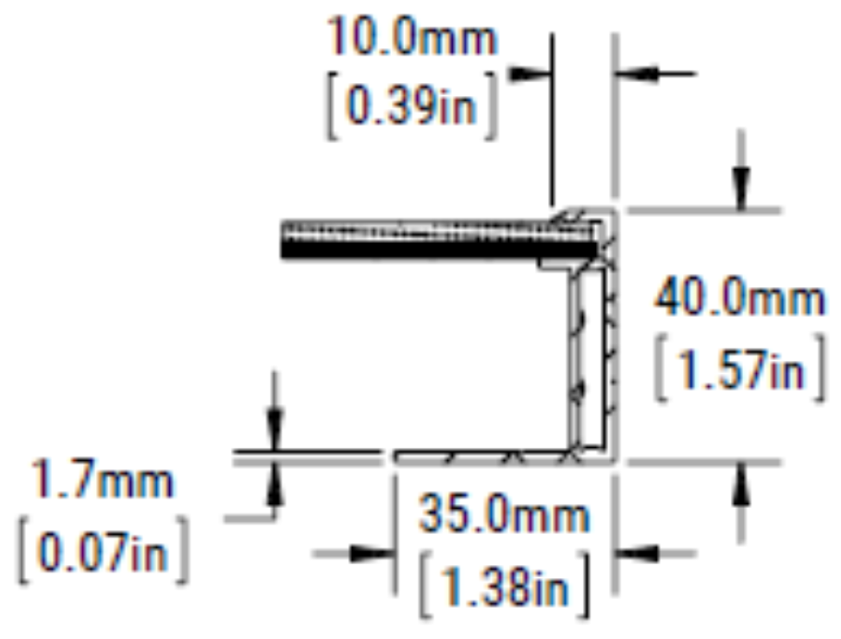 | 206.14 |  | 40 | 1621 | 1116 | 5474 | 1.81 | 1128.41 | 3.05 | 1.68 | 3.2 | 1.79 | 14.50 | 8.02 | Mono | 19.9
Solaria PowerXT-400R-PM | Solaria | Solaria PowerXT-400R-PM | Solaria | 21 | g-b | Non-Tier 1 | Non-Tier 1 | 2020 | 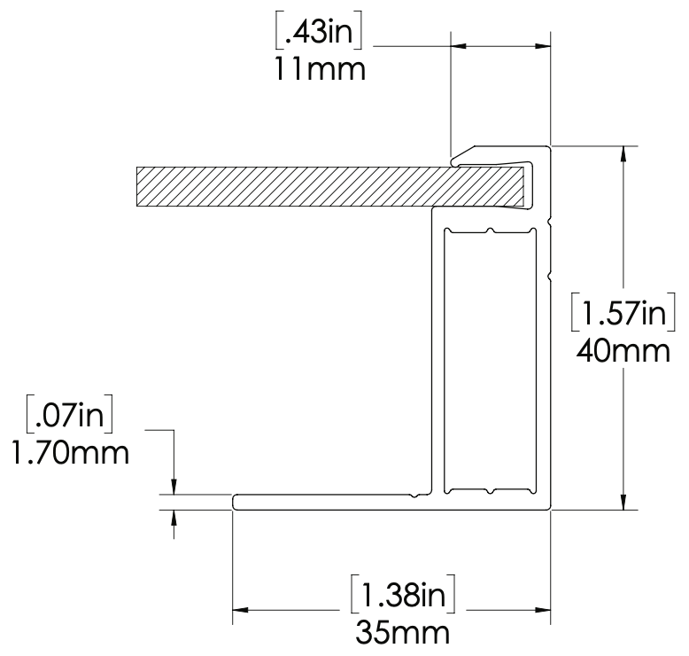 | 220.63 |  | 40 | 1644 | 1204 | 5696 | 1.98 | 1256.71 | 3.39 | 1.71 | 2.84 | 1.96 | 14.08 | 7.11 | Mono | 20.2
Solaria PowerXT-430R-PL | Solaria | Solaria PowerXT-430R-PL | Solaria | 21.7 | g-b | Non-Tier 1 | Non-Tier 1 | 2021 | 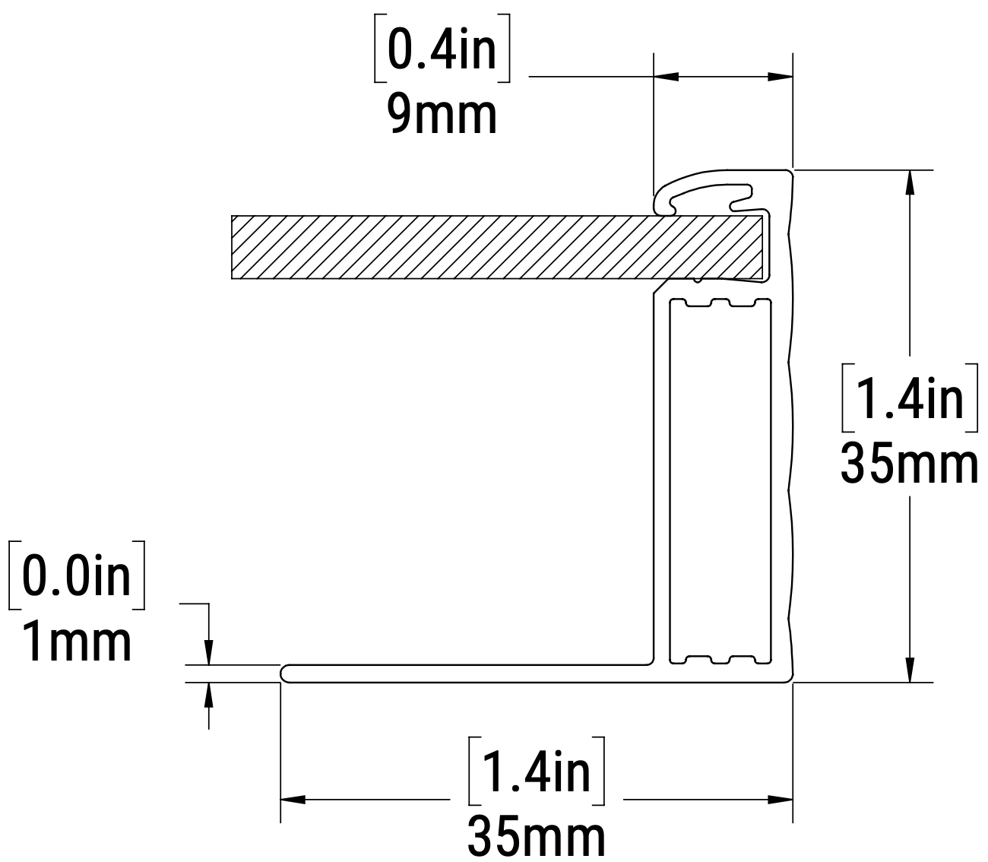 | 144.82 |  | 35 | 1957 | 1079 | 6072 | 2.11 | 879.35 | 2.37 | 1.12 | 2.8 | 2.09 | 14.81 | 7.01 | Mono | 20.4
Solaria PowerXT-430C-PD | Solaria | Solaria PowerXT-430C-PD | Solaria | 29 | g-b | Non-Tier 1 | Non-Tier 1 | 2019 |  | 206.14 |  | 40 | 1939 | 1116 | 6110 | 2.16 | 1259.52 | 3.40 | 1.57 | 4 | 2.14 | 21.68 | 10.02 | Mono | 19.8
Solaria PowerXT-U-370 | Solaria | Solaria PowerXT-U-370 | Solaria | 21 | g-b | Non-Tier 1 | Non-Tier 1 | 2016 | 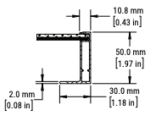 | 229.56 |  | 50 | 2113 | 995 | 6216 | 2.10 | 1426.94 | 3.85 | 1.83 | 4 | 2.08 | 21.06 | 10.02 | Mono | 17.6
SW 270 mono | SolarWorld | SW 270 mono | SolarWorld | 21.2 | g-b | Non-Tier 1 | Non-Tier 1 | 2012 | 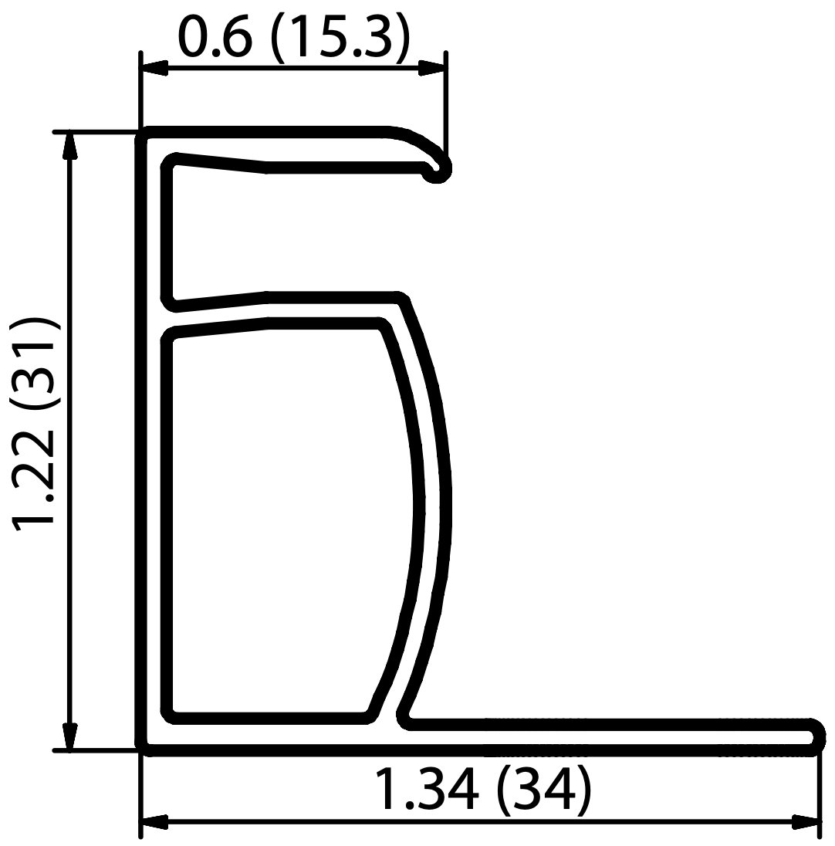 | 168.1 |  | 31 | 1675 | 1001 | 5352 | 1.68 | 899.67 | 2.43 | 1.45 | Not specified | 1.66 |  |  | Mono | 16.1
SW 240 mono | SolarWorld | SW 240 mono | SolarWorld | 21.2 | g-b | Non-Tier 1 | Non-Tier 1 | 2011 | 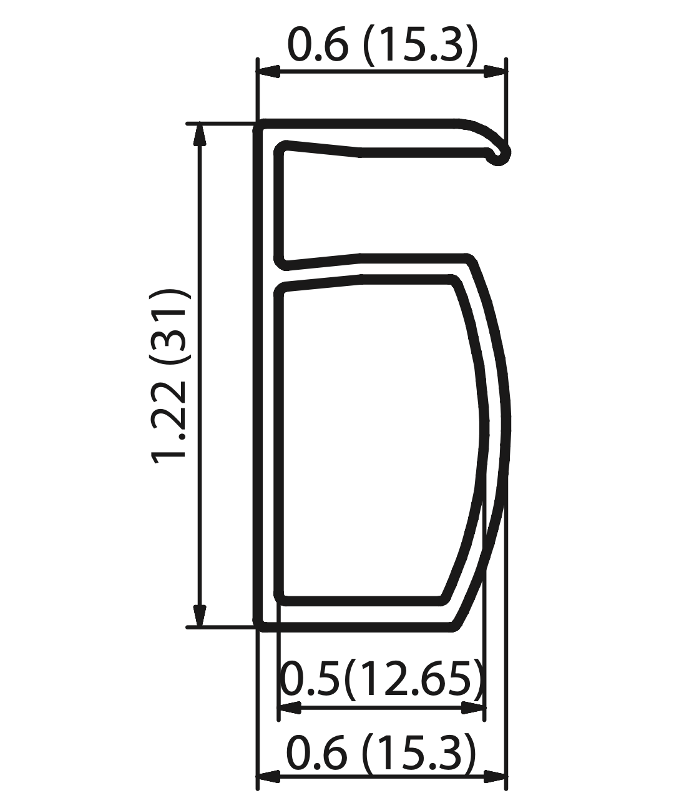 | 132.25 |  | 31 | 1675 | 1001 | 5352 | 1.68 | 707.80 | 1.91 | 1.14 | Not specified | 1.66 |  |  | Mono | 13.12
SW 275 mono black | SolarWorld | SW 275 mono black | SolarWorld | 18 | g-b | Non-Tier 1 | Non-Tier 1 | 2014 |  | 168.1 |  | 31 | 1675 | 1001 | 5352 | 1.68 | 899.67 | 2.43 | 1.45 | Not specified | 1.66 |  |  | Mono | 16.1
Protect SW 275 mono black | SolarWorld | Protect SW 275 mono black | SolarWorld | 21.2 | g-g? | Non-Tier 1 | Non-Tier 1 | 2016 | 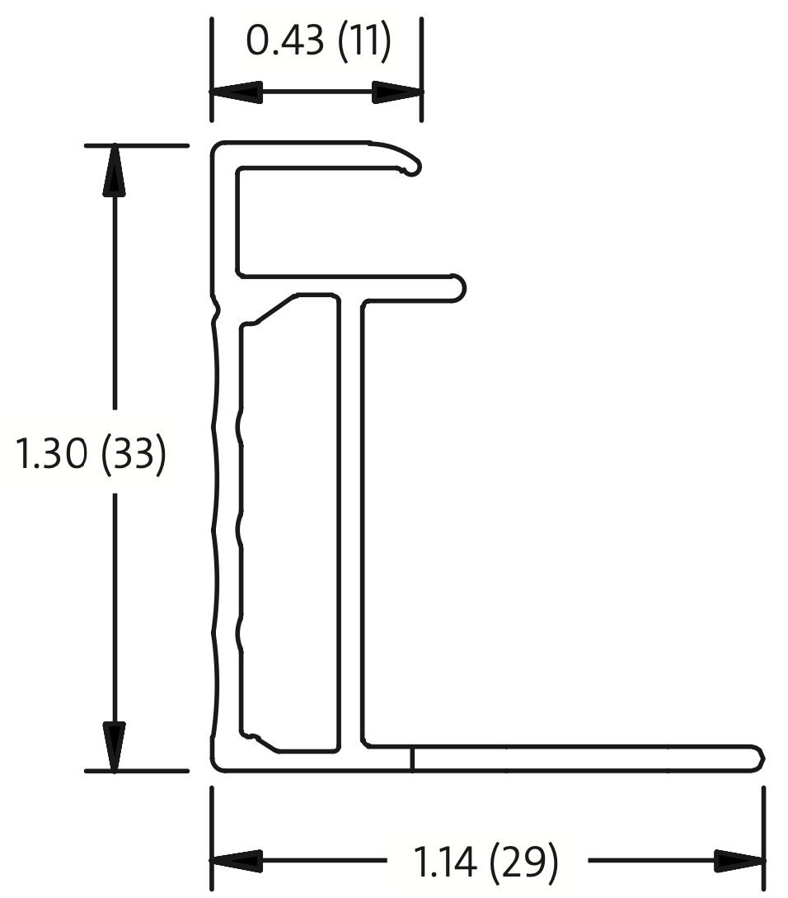 | 144.55 |  | 33 | 1100 | 1001 | 4202 | 1.10 | 607.40 | 1.64 | 1.49 | Not specified | 1.09 |  |  | Mono | 16.4
SW 230 mono | SolarWorld | SW 230 mono | SolarWorld | 22 | g-b | Non-Tier 1 | Non-Tier 1 | 2011 |  | 132.25 |  | 31 | 1675 | 1001 | 5352 | 1.68 | 707.80 | 1.91 | 1.14 | Not specified | 1.66 |  |  | Mono | 13.7
SPR-E20-327-C-AC | Sunpower | SPR-E20-327-C-AC | Sunpower |  |  | Tier 1 | Non-Tier 1 | 2016 |  | 214.35 |  | 46 | 1558 | 1046 | 5208 | 1.63 | 1116.33 | 3.01 | 1.85 | Not specified | 1.61 |  |  | Mono | 20.4
SPR-E20-327-D-AC | Sunpower | SPR-E20-327-D-AC | Sunpower |  |  | Tier 1 | Tier 1 | 2017 |  | 214.35 |  | 46 | 1558 | 1046 | 5208 | 1.63 | 1116.33 | 3.01 | 1.85 | Not specified | 1.61 |  |  | Mono | 20.4
SPR-X21-350-BLK-D-AC | Sunpower | SPR-X21-350-BLK-D-AC | Sunpower |  |  | Tier 1 | Tier 1 | 2017 |  | 214.35 |  | 46 | 1558 | 1046 | 5208 | 1.63 | 1116.33 | 3.01 | 1.85 | Not specified | 1.61 |  |  | Mono | 21.5
SPR-X22-360-C-AC | Sunpower | SPR-X22-360-C-AC | Sunpower |  |  | Tier 1 | Non-Tier 1 | 2016 |  | 214.35 |  | 46 | 1558 | 1046 | 5208 | 1.63 | 1116.33 | 3.01 | 1.85 | Not specified | 1.61 |  |  | Mono | 22.2
SPR-A400-G-AC | Sunpower | SPR-A400-G-AC | Sunpower |  |  | Tier 1 | Non-Tier 1 | 2019 | 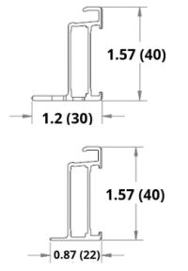 | 170.54 | 143.96 | 40 | 1835 | 1016 | 5702 | 1.86 | 918.41 | 2.48 | 1.33 | Not specified | 1.85 |  |  | Mono | 21.5
STP175S-24/AB-1 | Suntech Power | STP175S-24/AB-1 | Suntech Power |  |  | Tier 1 | Tier 1 | 2008 |  | 160.91 |  | 35 | 1580 | 808 | 4776 | 1.28 | 768.51 | 2.07 | 1.63 | Not specified | 1.26 |  |  | Mono | 13.3
STP190S-24/Adb+ | Suntech Power | STP190S-24/Adb+ | Suntech Power |  |  | Tier 1 | Tier 1 | 2011 |  | 160.91 |  | 35 | 1580 | 808 | 4776 | 1.28 | 768.51 | 2.07 | 1.63 | 3.2 | 1.26 | 10.23 | 8.02 | Mono | 14.9
STP240-20/Wd | Suntech Power | STP240-20/Wd | Suntech Power |  |  | Tier 1 | Tier 1 | 2012 |  | 266.3 |  | 35 | 1640 | 992 | 5264 | 1.63 | 1401.80 | 3.78 | 2.33 | 3.2 | 1.61 | 13.04 | 8.02 | Poly | 14.8
STP275-24/Vd | Suntech Power | STP275-24/Vd | Suntech Power |  |  | Tier 1 | Tier 1 | 2010 |  | 292.69 |  | 50 | 1956 | 992 | 5896 | 1.94 | 1725.70 | 4.66 | 2.40 | 4 | 1.92 | 19.44 | 10.02 | Poly | 14.2
STP295-24/Ve | Suntech Power | STP295-24/Ve | Suntech Power |  |  | Tier 1 | Tier 1 | 2012 |  | 245.37 |  | 40 | 1956 | 992 | 5896 | 1.94 | 1446.70 | 3.91 | 2.01 | 4 | 1.92 | 19.44 | 10.02 | Poly | 15.5
STP210 - 18/Ud | Suntech Power | STP210 - 18/Ud | Suntech Power |  |  | Tier 1 | Tier 1 | 2010 |  | 160.91 |  | 35 | 1482 | 992 | 4948 | 1.47 | 796.18 | 2.15 | 1.46 | 3.2 | 1.46 | 11.78 | 8.02 | Poly | 14.3
TP660P-270 | Talesun Solar | TP660P-270 | Talesun Solar |  |  | Non-Tier 1 | Non-Tier 1 | 2018 |  | 196.32 |  | 35 | 1650 | 992 | 5284 | 1.64 | 1037.35 | 2.80 | 1.71 | 3.2 | 1.62 | 13.12 | 8.02 | Poly | 16.5
TP672P-325 | Talesun Solar | TP672P-325 | Talesun Solar |  |  | Non-Tier 1 | Non-Tier 1 | 2018 |  | 198.84 |  | 35 | 1960 | 992 | 5904 | 1.94 | 1173.95 | 3.17 | 1.63 | 3.2 | 1.92 | 15.58 | 8.02 | Poly | 16.7
TP660M-250 | Talesun Solar | TP660M-250 | Talesun Solar |  |  | Non-Tier 1 | Non-Tier 1 | 2012 |  | 276.53 | 265.15 | 40 | 1640 | 990 | 5260 | 1.62 | 1432.02 | 3.87 | 2.38 | Not specified | 1.61 |  |  | Mono | 15.4
TP6F60M-320 | Talesun Solar | TP6F60M-320 | Talesun Solar |  |  | Non-Tier 1 | Tier 1 | 2021 |  | 257.37 | 153.72 | 35 | 1684 | 1002 | 5372 | 1.69 | 1174.88 | 3.17 | 1.88 | 3.2 | 1.67 | 13.52 | 8.02 | Mono | 18.9
TP6H60M-320 | Talesun Solar | TP6H60M-320 | Talesun Solar |  |  | Non-Tier 1 | Tier 1 | 2021 |  | 257.37 | 153.72 | 35 | 1684 | 1002 | 5372 | 1.69 | 1174.88 | 3.17 | 1.88 | 3.2 | 1.67 | 13.52 | 8.02 | Mono | 19
TSM-240PA05.08 | TrinaSolar | TSM-240PA05.08 | Trina Solar |  |  | Non-Tier 1 | Tier 1 | 2011 |  | 195.60 |  | 40 | 1650 | 992 | 5284 | 1.64 | 1033.55 | 2.79 | 1.70 | 3.2 | 1.62 | 13.12 | 8.02 | Poly | 14.7
TSM-245PA05.18 | TrinaSolar | TSM-245PA05.18 | Trina Solar |  |  | Non-Tier 1 | Tier 1 | 2013 |  | 267.18 |  | 40 | 1650 | 992 | 5284 | 1.64 | 1411.78 | 3.81 | 2.33 | 3.2 | 1.62 | 13.12 | 8.02 | Poly | 15
TSM-280DD05A(II) | TrinaSolar | TSM-280DD05A(II) | Trina Solar |  |  | Non-Tier 1 | Tier 1 | 2016 |  | 183.45 |  | 35 | 1650 | 992 | 5284 | 1.64 | 969.35 | 2.62 | 1.60 | 3.2 | 1.62 | 13.12 | 8.02 | Mono | 17.1
TSM-300DD05A.05(II) | TrinaSolar | TSM-300DD05A.05(II) | Trina Solar |  |  | Non-Tier 1 | Tier 1 | 2017 |  | 183.45 |  | 35 | 1650 | 992 | 5284 | 1.64 | 969.35 | 2.62 | 1.60 | 3.2 | 1.62 | 13.12 | 8.02 | Mono | 18.3
TSM-310DD05H.05(II) | TrinaSolar | TSM-310DD05H.05(II) | Trina Solar |  |  | Non-Tier 1 | Tier 1 | 2019 |  | 183.45 |  | 35 | 1675 | 992 | 5334 | 1.66 | 978.52 | 2.64 | 1.59 | 3.2 | 1.64 | 13.32 | 8.02 | Mono | 18.7
TSM-325PD14 | TrinaSolar | TSM-325PD14 | Trina Solar |  |  | Non-Tier 1 | Tier 1 | 2017 |  | 207.63 |  | 40 | 1960 | 992 | 5904 | 1.94 | 1225.85 | 3.31 | 1.70 | 3.2 | 1.92 | 15.58 | 8.02 | Poly | 16.7
TSM-375DE14A(II) | TrinaSolar | TSM-375DE14A(II) | Trina Solar |  |  | Non-Tier 1 | Tier 1 | 2017 |  | 207.63 |  | 40 | 1960 | 992 | 5904 | 1.94 | 1225.85 | 3.31 | 1.70 | 4 | 1.92 | 19.48 | 10.02 | Mono PERC | 19.3
TSM-290PA14 | Trina Solar | TSM-290PA14 | Trina Solar |  |  | Non-Tier 1 | Tier 1 | 2012 |  | 270.86 |  | 46 | 1956 | 992 | 5896 | 1.94 | 1596.99 | 4.31 | 2.22 | 4 | 1.92 | 19.44 | 10.02 | Poly | 14.9
TSM-410DE15H(II) | Trina Solar | TSM-410DE15H(II) | Trina Solar |  |  | Non-Tier 1 | Tier 1 | 2020 |  | 174.93 | 136.25 | 35 | 2015 | 996 | 6022 | 2.01 | 976.38 | 2.64 | 1.31 | 3.2 | 1.99 | 16.09 | 8.02 | Mono | 20.2
TSM-375DE06X.05(II) | Trina Solar | TSM-375DE06X.05(II) | Trina Solar |  |  | Non-Tier 1 | Tier 1 | 2021 |  | 174.93 | 136.25 | 35 | 1852 | 996 | 5696 | 1.84 | 919.35 | 2.48 | 1.35 | 3.2 | 1.83 | 14.78 | 8.02 | Mono PERC | 20.3
TSM-330DD06M.05(II) | Trina Solar | TSM-330DD06M.05(II) | Trina Solar |  |  | Non-Tier 1 | Tier 1 | 2020 |  | 174.93 | 136.25 | 35 | 1690 | 996 | 5372 | 1.68 | 862.67 | 2.33 | 1.38 | 3.2 | 1.67 | 13.49 | 8.02 | Mono | 19.6
TSM-235PA05 | Trina Solar | TSM-235PA05 | Trina Solar |  |  | Non-Tier 1 | Tier 1 | 2012 |  | 174.57 |  | 35 | 1650 | 992 | 5284 | 1.64 | 922.43 | 2.49 | 1.52 | 3.2 | 1.62 | 13.12 | 8.02 | Poly | 14.4
TSM-180DA01 | Trina Solar | TSM-180DA01 | Trina Solar |  |  | Non-Tier 1 | Tier 1 | 2011 |  | 195.6 |  | 40 | 1581 | 809 | 4780 | 1.28 | 934.97 | 2.52 | 1.97 | 3.2 | 1.27 | 10.25 | 8.02 | Mono | 14.1
TSM-210DC80.08 | Trina Solar | TSM-210DC80.08 | Trina Solar |  |  | Non-Tier 1 | Tier 1 | 2014 |  | 174.57 |  | 35 | 1581 | 809 | 4780 | 1.28 | 834.44 | 2.25 | 1.76 | 3.2 | 1.27 | 10.25 | 8.02 | Mono | 16.4
TSM-270DC05A.082 | Trina Solar | TSM-270DC05A.082 | Trina Solar |  |  | Non-Tier 1 | Tier 1 | 2014 |  | 174.57 |  | 35 | 1650 | 992 | 5284 | 1.64 | 922.43 | 2.49 | 1.52 | 3.2 | 1.62 | 13.12 | 8.02 | Mono | 16.5
TSM-250PA05A.082 | Trina Solar | TSM-250PA05A.082 | Trina Solar |  |  | Non-Tier 1 | Tier 1 | 2014 |  | 174.57 |  | 35 | 1650 | 992 | 5284 | 1.64 | 922.43 | 2.49 | 1.52 | 3.2 | 1.62 | 13.12 | 8.02 | Poly | 15.3
TSM-300PC14.002 | Trina Solar | TSM-300PC14.002 | Trina Solar |  |  | Non-Tier 1 | Tier 1 | 2014 |  | 228.85 |  | 40 | 1956 | 992 | 5896 | 1.94 | 1349.30 | 3.64 | 1.88 | 4 | 1.92 | 19.44 | 10.02 | Poly | 15.5
YL260P-29b | Yingli Solar | YL260P-29b | Yingli Solar |  |  | Tier 1 | Tier 1 | 2016 |  | 189.93 |  | 35 | 1640 | 990 | 5260 | 1.62 | 999.03 | 2.70 | 1.66 | 3.2 | 1.61 | 13.01 | 8.02 | Poly | 16
YL265P-29b | Yingli Solar | YL265P-29b | Yingli Solar |  |  | Tier 1 | Non-Tier 1 | 2019 |  | 189.93 |  | 35 | 1640 | 990 | 5260 | 1.62 | 999.03 | 2.70 | 1.66 | 3.2 | 1.61 | 13.01 | 8.02 | Poly | 16.3
YL230P-29b | Yingli Solar | YL230P-29b | Yingli Solar |  |  | Tier 1 | Tier 1 | 2008 |  | 232.41 |  | 50 | 1650 | 990 | 5280 | 1.63 | 1227.12 | 3.31 | 2.03 | 3.2 | 1.62 | 13.09 | 8.02 | Poly | 14.1
YL310D-30b | Yingli Solar | YL310D-30b | Yingli Solar |  |  | Tier 1 | Non-Tier 1 | 2019 |  | 169.49 |  | 35 | 1650 | 992 | 5284 | 1.64 | 895.59 | 2.42 | 1.48 | 3.2 | 1.62 | 13.12 | 8.02 | Mono | 18.9
YL280C-30b | Yingli Solar | YL280C-30b | Yingli Solar |  |  | Tier 1 | Tier 1 | 2014 |  | 186.64 |  | 40 | 1650 | 990 | 5280 | 1.63 | 985.46 | 2.66 | 1.63 | 3.2 | 1.62 | 13.09 | 8.02 | Mono | 17.1
SX3190 | BP | SX3190 | BP |  |  | Non-Tier 1 | Non-Tier 1 | 2007 |  | 277.96 |  | 50 | 1680 | 837 | 5034 | 1.41 | 1399.25 | 3.78 | 2.69 | 3 | 1.39 | 10.57 | 7.51 | Poly | n/a
RSM72-6-350M | Risen Energy | RSM72-6-350M | Risen Energy |  |  | Tier 1 | Non-Tier 1 | 2018 |  | 176.23 |  | 40 | 1956 | 992 | 5896 | 1.94 | 1039.05 | 2.81 | 1.45 | 3.2 | 1.92 | 15.55 | 8.02 | Mono | 18
KU330-8BCA | Kyocera | KU330-8BCA | Kyocera |  |  | Non-Tier 1 | Tier 1 | 2016 |  | 236.77 | 264.95 | 46 | 1662 | 1320 | 5964 | 2.19 | 1486.49 | 4.01 | 1.83 | Not specified | 2.17 |  |  | Poly | n/a
PV-UJ225GA6 | Mitsubishi Electric | PV-UJ225GA6 | Mitsubishi Electric |  |  | Non-Tier 1 | Non-Tier 1 | 2010 |  | 325.02 | 344.71 | 46 | 1658 | 994 | 5304 | 1.65 | 1763.05 | 4.76 | 2.89 | Not specified | 1.63 |  |  | Poly | 13.7
PV-MLE270HD | Mitsubishi Electric | PV-MLE270HD | Mitsubishi Electric |  |  | Non-Tier 1 | Non-Tier 1 | 2015 |  | 248.5 | 228.13 | 46 | 1625 | 1019 | 5288 | 1.66 | 1272.55 | 3.44 | 2.07 | Not specified | 1.64 |  |  | Mono | 16.3
PV-MF165EB4 | Mitsubishi Electric | PV-MF165EB4 | Mitsubishi Electric |  |  | Non-Tier 1 | Non-Tier 1 | 2006 |  | 247.21 | 225.14 | 46 | 1580 | 800 | 4760 | 1.26 | 1141.41 | 3.08 | 2.44 | Not specified | 1.25 |  |  | Poly | 13.1
PV-MJE280FB-B | Mitsubishi Electric | PV-MJE280FB-B | Mitsubishi Electric |  |  | Non-Tier 1 | Non-Tier 1 | 2017 |  | 248.5 | 228.13 | 46 | 1657 | 994 | 5302 | 1.65 | 1277.05 | 3.45 | 2.09 | Not specified | 1.63 |  |  | Mono | 17
PV-MLE260HD | Mitsubishi Electric | PV-MLE260HD | Mitsubishi Electric |  |  | Non-Tier 1 | Non-Tier 1 | 2012 |  | 248.5 | 228.13 | 46 | 1625 | 1019 | 5288 | 1.66 | 1272.55 | 3.44 | 2.07 | Not specified | 1.64 |  |  | Mono | 15.7
BVM6610P-250 | Boviet | BVM6610P-250 | Boviet |  |  | Tier 1 | Non-Tier 1 | 2018 |  | 134.78 |  | 35 | 1640 | 992 | 5264 | 1.63 | 709.48 | 1.92 | 1.18 | 3.2 | 1.61 | 13.04 | 8.02 | Poly | 15.4
BVM6610M-360S-H-HC | Boviet | BVM6610M-360S-H-HC | Boviet |  |  | Tier 1 | Tier 1 | 2020 |  | 124.98 |  | 35 | 1770 | 1046 | 5632 | 1.85 | 703.89 | 1.90 | 1.03 | 3.2 | 1.83 | 14.84 | 8.02 | Mono PERC | 19.4
BVM6612M-350 | Boviet | BVM6612M-350 | Boviet |  |  | Tier 1 | Non-Tier 1 | 2018 |  | 169.6 |  | 40 | 1956 | 992 | 5896 | 1.94 | 999.96 | 2.70 | 1.39 | 4 | 1.92 | 19.44 | 10.02 | Mono | 18
BVM6612M-400L-H-HC | Boviet | BVM6612M-400L-H-HC | Boviet |  |  | Tier 1 | Tier 1 | 2020 |  | 154.84 |  | 35 | 2052 | 1002 | 6108 | 2.06 | 945.76 | 2.55 | 1.24 | 4 | 2.04 | 20.60 | 10.02 | Mono PERC | 19.5
ZXM6-72-375/M | ZNShine | ZXM6-72-375/M | ZNShine |  |  | Tier 1 | Non-Tier 1 | 2020 |  | 229.15 |  | 40 | 1960 | 992 | 5904 | 1.94 | 1352.90 | 3.65 | 1.88 | 3.2 | 1.92 | 15.58 | 8.02 | Mono | 19.3
ZXM6-NH120-350/M | ZNShine | ZXM6-NH120-350/M | ZNShine |  |  | Tier 1 | Non-Tier 1 | 2020 |  | 143.92 | 134.07 | 35 | 1776 | 1048 | 5648 | 1.86 | 792.21 | 2.14 | 1.15 | 3.2 | 1.84 | 14.92 | 8.02 | Mono | 18.8
ZXP6 72-310/P | ZNShine | ZXP6 72-310/P | ZNShine |  |  | Tier 1 | Non-Tier 1 | 2018 |  | 290.81 |  | 40 | 1956 | 992 | 5896 | 1.94 | 1714.62 | 4.63 | 2.39 | 3.2 | 1.92 | 15.55 | 8.02 | Poly | 15.98
CSUN260-60P | CSUN | CSUN260-60P | CSUN |  |  | Non-Tier 1 | Non-Tier 1 | 2014 |  | 231.27 |  | 35 | 1640 | 990 | 5260 | 1.62 | 1216.48 | 3.28 | 2.02 | 3.2 | 1.61 | 13.01 | 8.02 | Poly | 16.01
CSUN280-60M | CSUN | CSUN280-60M | CSUN |  |  | Non-Tier 1 | Tier 1 | 2015 |  | 231.27 |  | 35 | 1640 | 990 | 5260 | 1.62 | 1216.48 | 3.28 | 2.02 | 3.2 | 1.61 | 13.01 | 8.02 | Mono | 17.24
CSUN300-72P | CSUN | CSUN300-72P | CSUN |  |  | Non-Tier 1 | Tier 1 | 2016 |  | 254.45 |  | 50 | 1956 | 990 | 5892 | 1.94 | 1499.22 | 4.05 | 2.09 | 3.2 | 1.92 | 15.52 | 8.02 | Poly | 15.49
CSUN300-60M | CSUN | CSUN300-60M | CSUN |  |  | Non-Tier 1 | Non-Tier 1 | 2017 |  | 254.48 |  | 40 | 1640 | 992 | 5264 | 1.63 | 1339.58 | 3.62 | 2.22 | 3.2 | 1.61 | 13.04 | 8.02 | Mono PERC | 18.48
CSUN380-72MH | CSUN | CSUN380-72MH | CSUN |  |  | Non-Tier 1 | Non-Tier 1 | 2020 |  | 319.48 |  | 40 | 1956 | 990 | 5892 | 1.94 | 1882.38 | 5.08 | 2.62 | 3.2 | 1.92 | 15.52 | 8.02 | Mono PERC | 19.62
SMX-250P | Sunspark | SMX-250P | Sunspark |  |  | Non-Tier 1 | Non-Tier 1 | 2016 |  | 200.21 |  | 40 | 1650 | 997 | 5294 | 1.65 | 1059.91 | 2.86 | 1.74 | Not specified | 1.63 |  |  | Poly | 15.2
SST-295M | Sunspark | SST-295M | Sunspark |  |  | Non-Tier 1 | Tier 1 | 2018 |  | 211.7 |  | 40 | 1960 | 991 | 5902 | 1.94 | 1249.45 | 3.37 | 1.74 | Not specified | 1.92 |  |  | Mono PERC | 17
D6M330E4AME | NEO | D6M330E4AME | NEO |  |  | Tier 1 | Non-Tier 1 | 2016 |  | 216.93 |  | 35 | 1956 | 992 | 5896 | 1.94 | 1279.02 | 3.45 | 1.78 | Not specified | 1.92 |  |  | Mono | 18.8
D6P260B3A | NEO | D6P260B3A | NEO |  |  | Tier 1 | Non-Tier 1 | 2013 |  | 194.76 |  | 42 | 1650 | 990 | 5280 | 1.63 | 1028.33 | 2.78 | 1.70 | 3.2 | 1.62 | 13.09 | 8.02 | Poly | 15.9
AS-6M120-HC-365 | Amerisolar | AS-6M120-HC-365 | Amerisolar |  |  | Non-Tier 1 | Non-Tier 1 | 2021 |  | 148.66 |  | 35 | 1756 | 1039 | 5590 | 1.82 | 831.01 | 2.24 | 1.23 | 3.2 | 1.81 | 14.62 | 8.02 | Mono PERC | 20.01
AS-6P30-270 | Amerisolar | AS-6P30-270 | Amerisolar |  |  | Non-Tier 1 | Non-Tier 1 | 2017 |  | 201.37 |  | 35 | 1640 | 992 | 5264 | 1.63 | 1060.01 | 2.86 | 1.76 | 3.2 | 1.61 | 13.04 | 8.02 | Poly | 16.6
AS-6P-325 | Amerisolar | AS-6P-325 | Amerisolar |  |  | Non-Tier 1 | Non-Tier 1 | 2021 |  | 254.15 |  | 40 | 1956 | 992 | 5896 | 1.94 | 1498.47 | 4.05 | 2.09 | 3.2 | 1.92 | 15.55 | 8.02 | Poly | 16.75
AS-6M-340W | Amerisolar | AS-6M-340W | Amerisolar |  |  | Non-Tier 1 | Non-Tier 1 | 2018 |  | 254.15 |  | 40 | 1956 | 992 | 5896 | 1.94 | 1498.47 | 4.05 | 2.09 | 3.2 | 1.92 | 15.55 | 8.02 | Mono PERC | 17.52
VBHN325SJ47 | Panasonic | VBHN325SJ47 | Panasonic |  |  | Non-Tier 1 | Non-Tier 1 | 2019 |  | 163.13 | 220.43 | 35 | 1590 | 1053 | 5286 | 1.67 | 982.98 | 2.65 | 1.59 | Not specified | 1.66 |  |  | Mono | 19.4
VBHN240SJ25 | Panasonic | VBHN240SJ25 | Panasonic |  |  | Non-Tier 1 | Non-Tier 1 | 2019 |  | 156.82 | 149.76 | 35 | 1580 | 798 | 4756 | 1.26 | 734.57 | 1.98 | 1.57 | Not specified | 1.25 |  |  | Mono | 19
AE HM6-72 380 | AE Solar | AE HM6-72 380 | AE Solar |  |  | Tier 1 | Non-Tier 1 | 2019 |  | 162.86 |  | 35 | 1979 | 996 | 5950 | 1.97 | 969.02 | 2.62 | 1.33 | Not specified | 1.95 |  |  | Mono | 19.28
AE HM6-60 320 | AE Solar | AE HM6-60 320 | AE Solar |  |  | Tier 1 | Non-Tier 1 | 2019 |  | 162.86 |  | 35 | 1690 | 996 | 5372 | 1.68 | 874.88 | 2.36 | 1.40 | Not specified | 1.67 |  |  | Mono | 19.01
DNA-144-MF26-440W | Aptos | DNA-144-MF26-440W | Aptos |  |  | Non-Tier 1 | Non-Tier 1 | 2021 |  | 171.59 | 165.19 | 40 | 2095 | 1039 | 6268 | 2.18 | 1062.23 | 2.87 | 1.32 | 3.2 | 2.15 | 17.45 | 8.02 | Mono | 20.21
DNA-144-MF23-390W | Aptos | DNA-144-MF23-390W | Aptos |  |  | Non-Tier 1 | Non-Tier 1 | 2020 |  | 200.5 |  | 40 | 2008 | 1002 | 6020 | 2.01 | 1207.01 | 3.26 | 1.62 | Not specified | 1.99 |  |  | Mono | 19.38

